Examples
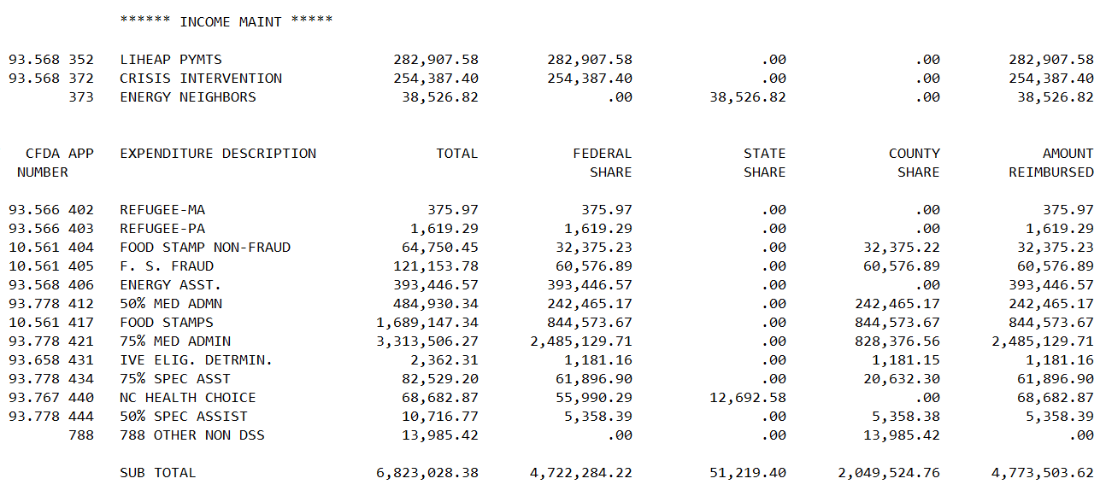
 |  |  | June 2020 - May 2021 |  |  | Less June 2020 |  |  | Add: June 2021 |  |  | Total 2021 Reimbursement |  |  | Reimbursement Percentages
Program Description | CFDA | Revenue Source | Federal | State | Subtotal | Federal | State | Subtotal | Federal | State | Subtotal | Federal | State | Total | Federal | State | County
Permanency Planning | 93.645 | PP123 | 116,574.70 | - | 116,574.70 | 16,574.70 | - | 16,574.70 | 240.00 |  | 240.00 | 100,240.00 | - | 100,240.00 | 100% | 0%
Child Care Program | 93.596 | CC123 | 195,281.52 | - | 195,281.52 | 95,281.52 | - | 95,281.52 | 10.00 |  | 10.00 | 100,010.00 | - | 100,010.00 | 100% | 0%
CIP | 93.568 | CIP123 | 135,280.72 | - | 135,280.72 | 35,280.72 | - | 35,280.72 | 22.00 | - | 22.00 | 100,022.00 | - | 100,022.00 | 100% | 0%
STATE CW |  | ST123 |  | 287,205.79 | 287,205.79 | - | 87,205.79 | 87,205.79 | - | 3,150.00 | 3,150.00 | - | 203,150.00 | 203,150.00 | 0% | 100%

 |  | r

 |  | WC337-YTD July 21 - May 22
App Code | CFDA # | Revenue Source | Federal | Revenue Source | State | Total
352 | 93.56 | ENER123 | 282,907.58 |  | 0 | 282,907.58
372 | 93.568 | ENER456 | 254,387.40 |  | 0 | 254,387.40
373 |  | ENERST1 |  |  | 38,526.82 | 38,526.82
402, 403 | 93.566 | Refuge | 1995.26 |  |  | 1,995.26

