Set-Up Worksheet
North Carolina LME-MCO Performance Measurement and Reporting
Part I. DMA 1915-B Waiver Measures Report Template
 |  | State Fiscal Year: | 2022

 |  | Prepaid Inpatient Health Plan
 | Name of Plan: |  |  |  |  | <--- Enter Name of LME-MCO applicable for the report time period
 | Product Type: | Behavioral Health
 | Time Period: | July 1, 2021 |  | - | June 30, 2022 | <--- Time Period is automatically entered when SFY is entered in row 3 above
 | LME-MCO Chief Executive Officer: |  |  |  |  | <--- Enter Name of CEO
 | LME-MCO Contract Manager: |  |  |  |  | <--- Enter Name of Contract Manager
 | Person Responsible for Completing report: |  |  |  |  | <--- Enter Name of Person Completing Report
 | Date Report Completed: |  |  |  |  | <--- Enter Date Report Completed

NOTES: Use This Report Template For The SFY2022 Annual Report
This report template includes the annual NC Medicaid Waiver measures in Part I of the Combined NC Medicaid and DMH/DD/SAS Performance Measures Guidelines.
This report template has been revised as follows:
Reflects all county realignments expected during the SFY listed on the Data Validation worksheet (as of 12/1/21). This impacts performance measures containing county-level data as the names of counties on those measures auto-populate based on the LME-MCO name entered above in the Name of Plan. As this is an annual report, the LME-MCO responsible at the end of the year for any counties that realigned during the year is requested to obtain and provide data for those counties for the entire SFY.
Please do not use this template for prior year reports.

Data Validation
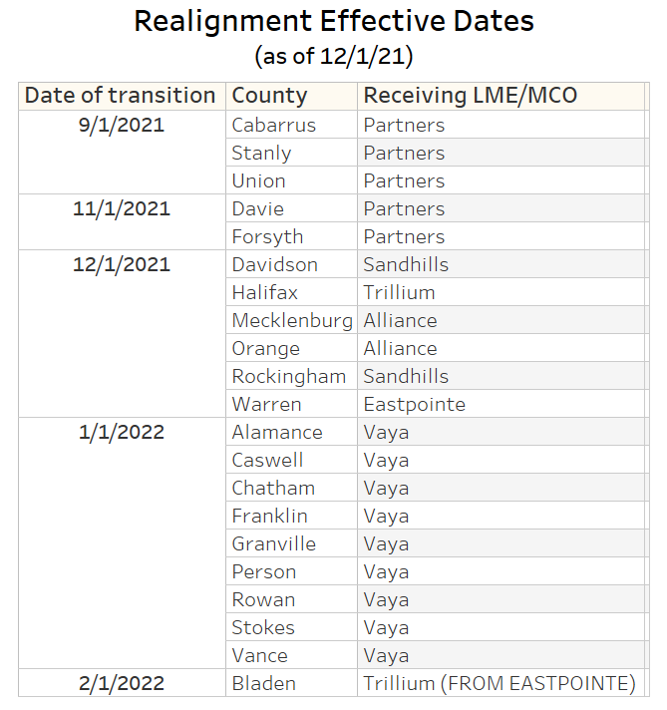
This worksheet contains data validation and look-up lists used in the LME-MCO drop-down box in the Set-Up Worksheet and in worksheets with measures that auto-complete County names.

LME_MCO
Alliance Health
Eastpointe
Partners Health Management
Sandhills Center
Trillium Health Resources
Vaya Health

 | Reflects county realignments during the SFY listed in the table below.
County_Lookup
Column: | 2 | 3 | 4 | 5 | 6 | 7 | 8 | 9 | 10 | 11 | 12 | 13 | 14 | 15 | 16 | 17 | 18 | 19 | 20 | 21 | 22 | 23 | 24 | 25 | 26 | 27 | 28 | 29 | 30 | 31 | 32
LME-MCO
Alliance Health | Cumberland | Durham | Johnston | Mecklenburg | Orange | Wake
Eastpointe | Duplin | Edgecombe | Greene | Lenoir | Robeson | Sampson | Scotland | Warren | Wayne | Wilson
Partners Health Management | Burke | Cabarrus | Catawba | Cleveland | Davie | Forsyth | Gaston | Iredell | Lincoln | Rutherford | Stanly | Surry | Union | Yadkin
Sandhills Center | Anson | Davidson | Guilford | Harnett | Hoke | Lee | Montgomery | Moore | Randolph | Richmond | Rockingham
Trillium Health Resources | Beaufort | Bertie | Bladen | Brunswick | Camden | Carteret | Chowan | Columbus | Craven | Currituck | Dare | Gates | Halifax | Hertford | Hyde | Jones | Martin | Nash | New Hanover | Northampton | Onslow | Pamlico | Pasquotank | Pender | Perquimans | Pitt | Tyrrell | Washington
Vaya Health | Alamance | Alexander | Alleghany | Ashe | Avery | Buncombe | Caldwell | Caswell | Chatham | Cherokee | Clay | Franklin | Graham | Granville | Haywood | Henderson | Jackson | Macon | Madison | McDowell | Mitchell | Person | Polk | Rowan | Stokes | Swain | Transylvania | Vance | Watauga | Wilkes | Yancey

