FA 2
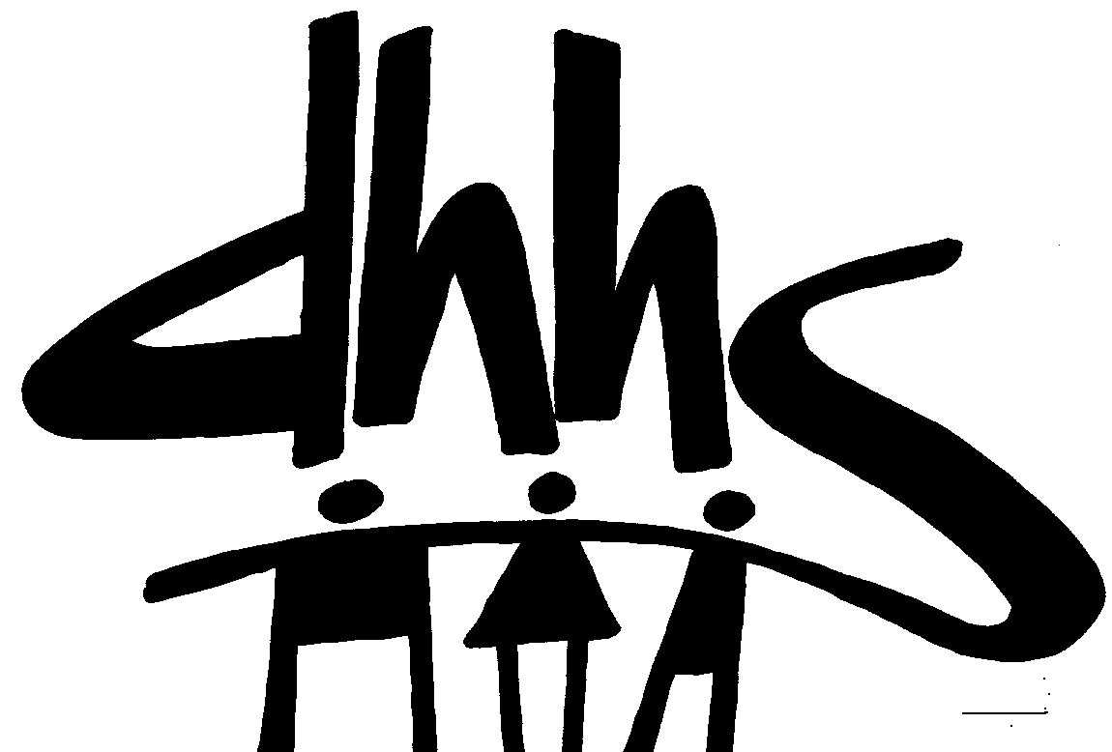
 |  |  | DIVISION OF SOCIAL SERVICES
 |  |  | FUNDING SOURCE: CRISIS INTERVENTION PAYMENT
 |  |  | EFFECTIVE DATE: 07/01/2022
 |  |  | AUTHORIZATION NUMBER: 2

 |  |  | ALLOCATION PERIOD
 |  |  | FROM JUNE 2022 THRU MAY 2023 SERVICE MONTHS
 |  |  | FROM JULY 2022 THRU JUNE 2023 PAYMENT MONTHS

 |  | Intial Allocation |  | Additional Allocation |  | Grand Total Allocation
Co. No. | COUNTY | Federal | Total | Federal | Total | Federal | Total
01 | ALAMANCE | 88,598.00 | 88,598.00 | 526,384.00 | 0.00 | 614,982.00 | 614,982.00
02 | ALEXANDER | 15,139.00 | 15,139.00 | 89,943.00 | 0.00 | 105,082.00 | 105,082.00
03 | ALLEGHANY | 6,416.00 | 6,416.00 | 38,120.00 | 0.00 | 44,536.00 | 44,536.00
04 | ANSON | 20,426.00 | 20,426.00 | 121,357.00 | 0.00 | 141,783.00 | 141,783.00
05 | ASHE | 14,118.00 | 14,118.00 | 83,881.00 | 0.00 | 97,999.00 | 97,999.00
06 | AVERY | 7,773.00 | 7,773.00 | 46,183.00 | 0.00 | 53,956.00 | 53,956.00
07 | BEAUFORT | 32,078.00 | 32,078.00 | 190,586.00 | 0.00 | 222,664.00 | 222,664.00
08 | BERTIE | 16,062.00 | 16,062.00 | 95,430.00 | 0.00 | 111,492.00 | 111,492.00
09 | BLADEN | 27,000.00 | 27,000.00 | 160,416.00 | 0.00 | 187,416.00 | 187,416.00
10 | BRUNSWICK | 57,342.00 | 57,342.00 | 340,684.00 | 0.00 | 398,026.00 | 398,026.00
11 | BUNCOMBE | 126,469.00 | 126,469.00 | 751,383.00 | 0.00 | 877,852.00 | 877,852.00
12 | BURKE | 51,845.00 | 51,845.00 | 308,025.00 | 0.00 | 359,870.00 | 359,870.00
13 | CABARRUS | 71,142.00 | 71,142.00 | 422,673.00 | 0.00 | 493,815.00 | 493,815.00
14 | CALDWELL | 42,870.00 | 42,870.00 | 254,703.00 | 0.00 | 297,573.00 | 297,573.00
15 | CAMDEN | 2,924.00 | 2,924.00 | 17,371.00 | 0.00 | 20,295.00 | 20,295.00
16 | CARTERET | 24,602.00 | 24,602.00 | 146,167.00 | 0.00 | 170,769.00 | 170,769.00
17 | CASWELL | 13,694.00 | 13,694.00 | 81,362.00 | 0.00 | 95,056.00 | 95,056.00
18 | CATAWBA | 71,548.00 | 71,548.00 | 425,085.00 | 0.00 | 496,633.00 | 496,633.00
19 | CHATHAM | 22,279.00 | 22,279.00 | 132,362.00 | 0.00 | 154,641.00 | 154,641.00
20 | CHEROKEE | 15,937.00 | 15,937.00 | 94,684.00 | 0.00 | 110,621.00 | 110,621.00
21 | CHOWAN | 9,565.00 | 9,565.00 | 56,825.00 | 0.00 | 66,390.00 | 66,390.00
22 | CLAY | 6,246.00 | 6,246.00 | 37,112.00 | 0.00 | 43,358.00 | 43,358.00
23 | CLEVELAND | 65,994.00 | 65,994.00 | 392,085.00 | 0.00 | 458,079.00 | 458,079.00
24 | COLUMBUS | 41,442.00 | 41,442.00 | 246,215.00 | 0.00 | 287,657.00 | 287,657.00
25 | CRAVEN | 46,909.00 | 46,909.00 | 278,700.00 | 0.00 | 325,609.00 | 325,609.00
26 | CUMBERLAND | 232,916.00 | 232,916.00 | 1,383,810.00 | 0.00 | 1,616,726.00 | 1,616,726.00
27 | CURRITUCK | 8,294.00 | 8,294.00 | 49,278.00 | 0.00 | 57,572.00 | 57,572.00
28 | DARE | 11,127.00 | 11,127.00 | 66,109.00 | 0.00 | 77,236.00 | 77,236.00
29 | DAVIDSON | 80,843.00 | 80,843.00 | 480,308.00 | 0.00 | 561,151.00 | 561,151.00
30 | DAVIE | 15,209.00 | 15,209.00 | 90,358.00 | 0.00 | 105,567.00 | 105,567.00
31 | DUPLIN | 33,800.00 | 33,800.00 | 200,814.00 | 0.00 | 234,614.00 | 234,614.00
32 | DURHAM | 138,456.00 | 138,456.00 | 822,602.00 | 0.00 | 961,058.00 | 961,058.00
33 | EDGECOMBE | 48,997.00 | 48,997.00 | 291,105.00 | 0.00 | 340,102.00 | 340,102.00
34 | FORSYTH | 188,086.00 | 188,086.00 | 1,117,466.00 | 0.00 | 1,305,552.00 | 1,305,552.00
35 | FRANKLIN | 31,096.00 | 31,096.00 | 184,747.00 | 0.00 | 215,843.00 | 215,843.00
36 | GASTON | 113,942.00 | 113,942.00 | 676,959.00 | 0.00 | 790,901.00 | 790,901.00
37 | GATES | 5,699.00 | 5,699.00 | 33,861.00 | 0.00 | 39,560.00 | 39,560.00
38 | GRAHAM | 5,008.00 | 5,008.00 | 29,756.00 | 0.00 | 34,764.00 | 34,764.00
39 | GRANVILLE | 29,373.00 | 29,373.00 | 174,510.00 | 0.00 | 203,883.00 | 203,883.00
40 | GREENE | 14,290.00 | 14,290.00 | 84,900.00 | 0.00 | 99,190.00 | 99,190.00
41 | GUILFORD | 285,885.00 | 285,885.00 | 1,698,517.00 | 0.00 | 1,984,402.00 | 1,984,402.00
42 | HALIFAX | 48,927.00 | 48,927.00 | 290,688.00 | 0.00 | 339,615.00 | 339,615.00
43 | HARNETT | 66,552.00 | 66,552.00 | 395,403.00 | 0.00 | 461,955.00 | 461,955.00
44 | HAYWOOD | 30,991.00 | 30,991.00 | 184,127.00 | 0.00 | 215,118.00 | 215,118.00
45 | HENDERSON | 42,334.00 | 42,334.00 | 251,518.00 | 0.00 | 293,852.00 | 293,852.00
46 | HERTFORD | 18,814.00 | 18,814.00 | 111,778.00 | 0.00 | 130,592.00 | 130,592.00
47 | HOKE | 31,346.00 | 31,346.00 | 186,236.00 | 0.00 | 217,582.00 | 217,582.00
CRISIS INTERVENTION PAYMENT (CIP) cont. |  |  |  | AUTHORIZATION NUMBER: 2

 |  | Intial Allocation |  | Additional Allocation |  | Grand Total Allocation
 | COUNTY | Federal | Total | Federal | Total | Federal | Total
48 | HYDE | 3,247.00 | 3,247.00 | 19,294.00 | 0.00 | 22,541.00 | 22,541.00
49 | IREDELL | 56,336.00 | 56,336.00 | 334,705.00 | 0.00 | 391,041.00 | 391,041.00
50 | JACKSON | 20,032.00 | 20,032.00 | 119,017.00 | 0.00 | 139,049.00 | 139,049.00
51 | JOHNSTON | 88,830.00 | 88,830.00 | 527,759.00 | 0.00 | 616,589.00 | 616,589.00
52 | JONES | 6,622.00 | 6,622.00 | 39,343.00 | 0.00 | 45,965.00 | 45,965.00
53 | LEE | 32,916.00 | 32,916.00 | 195,563.00 | 0.00 | 228,479.00 | 228,479.00
54 | LENOIR | 41,639.00 | 41,639.00 | 247,390.00 | 0.00 | 289,029.00 | 289,029.00
55 | LINCOLN | 36,404.00 | 36,404.00 | 216,284.00 | 0.00 | 252,688.00 | 252,688.00
56 | MACON | 16,124.00 | 16,124.00 | 95,796.00 | 0.00 | 111,920.00 | 111,920.00
57 | MADISON | 11,045.00 | 11,045.00 | 65,619.00 | 0.00 | 76,664.00 | 76,664.00
58 | MARTIN | 17,099.00 | 17,099.00 | 101,590.00 | 0.00 | 118,689.00 | 118,689.00
59 | MCDOWELL | 27,036.00 | 27,036.00 | 160,629.00 | 0.00 | 187,665.00 | 187,665.00
60 | MECKLENBURG | 460,899.00 | 460,899.00 | 2,738,296.00 | 0.00 | 3,199,195.00 | 3,199,195.00
61 | MITCHELL | 7,894.00 | 7,894.00 | 46,898.00 | 0.00 | 54,792.00 | 54,792.00
62 | MONTGOMERY | 14,444.00 | 14,444.00 | 85,813.00 | 0.00 | 100,257.00 | 100,257.00
63 | MOORE | 34,840.00 | 34,840.00 | 206,993.00 | 0.00 | 241,833.00 | 241,833.00
64 | NASH | 55,134.00 | 55,134.00 | 327,565.00 | 0.00 | 382,699.00 | 382,699.00
65 | NEW HANOVER | 92,174.00 | 92,174.00 | 547,628.00 | 0.00 | 639,802.00 | 639,802.00
66 | NORTHAMPTON | 16,798.00 | 16,798.00 | 99,803.00 | 0.00 | 116,601.00 | 116,601.00
67 | ONSLOW | 75,854.00 | 75,854.00 | 450,667.00 | 0.00 | 526,521.00 | 526,521.00
68 | ORANGE | 46,056.00 | 46,056.00 | 273,628.00 | 0.00 | 319,684.00 | 319,684.00
69 | PAMLICO | 6,357.00 | 6,357.00 | 37,771.00 | 0.00 | 44,128.00 | 44,128.00
70 | PASQUOTANK | 23,066.00 | 23,066.00 | 137,041.00 | 0.00 | 160,107.00 | 160,107.00
71 | PENDER | 26,670.00 | 26,670.00 | 158,453.00 | 0.00 | 185,123.00 | 185,123.00
72 | PERQUIMANS | 7,480.00 | 7,480.00 | 44,441.00 | 0.00 | 51,921.00 | 51,921.00
73 | PERSON | 21,716.00 | 21,716.00 | 129,022.00 | 0.00 | 150,738.00 | 150,738.00
74 | PITT | 113,686.00 | 113,686.00 | 675,436.00 | 0.00 | 789,122.00 | 789,122.00
75 | POLK | 8,220.00 | 8,220.00 | 48,839.00 | 0.00 | 57,059.00 | 57,059.00
76 | RANDOLPH | 72,990.00 | 72,990.00 | 433,650.00 | 0.00 | 506,640.00 | 506,640.00
77 | RICHMOND | 41,526.00 | 41,526.00 | 246,716.00 | 0.00 | 288,242.00 | 288,242.00
78 | ROBESON | 131,485.00 | 131,485.00 | 781,185.00 | 0.00 | 912,670.00 | 912,670.00
79 | ROCKINGHAM | 51,425.00 | 51,425.00 | 305,530.00 | 0.00 | 356,955.00 | 356,955.00
80 | ROWAN | 72,947.00 | 72,947.00 | 433,394.00 | 0.00 | 506,341.00 | 506,341.00
81 | RUTHERFORD | 44,708.00 | 44,708.00 | 265,621.00 | 0.00 | 310,329.00 | 310,329.00
82 | SAMPSON | 44,821.00 | 44,821.00 | 266,290.00 | 0.00 | 311,111.00 | 311,111.00
83 | SCOTLAND | 35,413.00 | 35,413.00 | 210,398.00 | 0.00 | 245,811.00 | 245,811.00
84 | STANLY | 31,403.00 | 31,403.00 | 186,576.00 | 0.00 | 217,979.00 | 217,979.00
85 | STOKES | 20,055.00 | 20,055.00 | 119,150.00 | 0.00 | 139,205.00 | 139,205.00
86 | SURRY | 40,710.00 | 40,710.00 | 241,870.00 | 0.00 | 282,580.00 | 282,580.00
87 | SWAIN | 7,101.00 | 7,101.00 | 42,187.00 | 0.00 | 49,288.00 | 49,288.00
88 | TRANSYLVANIA | 14,224.00 | 14,224.00 | 84,509.00 | 0.00 | 98,733.00 | 98,733.00
89 | TYRRELL | 2,631.00 | 2,631.00 | 15,629.00 | 0.00 | 18,260.00 | 18,260.00
90 | UNION | 62,459.00 | 62,459.00 | 371,087.00 | 0.00 | 433,546.00 | 433,546.00
91 | VANCE | 40,446.00 | 40,446.00 | 240,299.00 | 0.00 | 280,745.00 | 280,745.00
92 | WAKE | 294,296.00 | 294,296.00 | 1,748,486.00 | 0.00 | 2,042,782.00 | 2,042,782.00
93 | WARREN | 15,743.00 | 15,743.00 | 93,534.00 | 0.00 | 109,277.00 | 109,277.00
94 | WASHINGTON | 10,505.00 | 10,505.00 | 62,411.00 | 0.00 | 72,916.00 | 72,916.00
95 | WATAUGA | 19,532.00 | 19,532.00 | 116,047.00 | 0.00 | 135,579.00 | 135,579.00
96 | WAYNE | 73,080.00 | 73,080.00 | 434,185.00 | 0.00 | 507,265.00 | 507,265.00
97 | WILKES | 37,545.00 | 37,545.00 | 223,065.00 | 0.00 | 260,610.00 | 260,610.00
98 | WILSON | 59,922.00 | 59,922.00 | 356,013.00 | 0.00 | 415,935.00 | 415,935.00
99 | YADKIN | 15,778.00 | 15,778.00 | 93,742.00 | 0.00 | 109,520.00 | 109,520.00
100 | YANCEY | 10,234.00 | 10,234.00 | 60,802.00 | 0.00 | 71,036.00 | 71,036.00
 | Total | 5,000,000.00 | 5,000,000.00 | 29,706,245.00 | 0.00 | 34,706,245.00 | 34,706,245.00

CRISIS INTERVENTION PAYMENT (CIP) cont. |  |  |  | AUTHORIZATION NUMBER: 2

 | FUNDING SOURCE: Federal Low Income Home Energy Assistance Funds
 | CFDA Number: 93.568
 | CFDA Name: Low-Income Home Energy Assistance
 | Award Name: Low-Income Home Energy Assistance
 | Award Number: G20B1NCLIEA & G21B1NCLIEA
 | Award Date: FFY 2022 & 2023
 | Federal Agency: DHHS/ACF

 | GRANT INFORMATION: This represents 100% federal dollars.

 | XS411 Heading: CRISIS
 | Tracked on XS411: Federal Share 100%

 | OBLIGATIONS INCURRED AND EXPENDITURES MADE UNDER THIS ADVICE WILL BE SUBJECT TO
 | LIMITATIONS PUBLISHED BY FEDERAL AND STATE AGENCIES AS TO THE AVAILABILITY OF FUNDS

 | AUTHORIZED SIGNATURE |  |  |  | DATE:

 |  |  |  |  | 2022-08-12

