FA 4
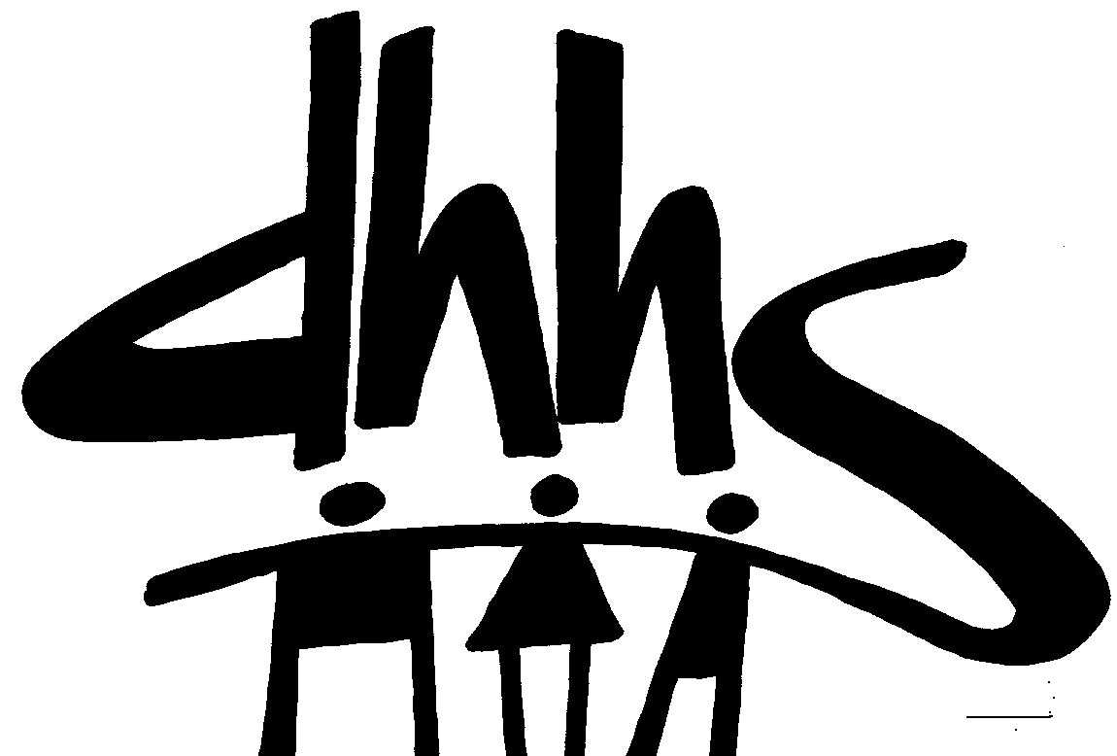
 |  |  |  | DIVISION OF SOCIAL SERVICES
 |  |  |  | FUNDING SOURCE: CRISIS INTERVENTION PAYMENT
 |  |  |  | EFFECTIVE DATE: 07/01/2022
 |  |  |  | AUTHORIZATION NUMBER: 4

 |  |  |  | ALLOCATION PERIOD
 |  |  |  | FROM JUNE 2022 THRU MAY 2023 SERVICE MONTHS
 |  |  |  | FROM JULY 2022 THRU JUNE 2023 PAYMENT MONTHS

 |  |  | Intial Allocation |  | Additional Allocation |  | Grand Total Allocation
Co. No. | COUNTY | Unique Entity Identifier (UEI) | Federal | Total | Federal | Total | Federal | Total
01 | ALAMANCE | F5VHYUU13NC5 | 614,982.00 | 614,982.00 | 0.00 | 0.00 | 614,982.00 | 614,982.00
02 | ALEXANDER | XVEEJSNY7UX9 | 105,082.00 | 105,082.00 | 0.00 | 0.00 | 105,082.00 | 105,082.00
03 | ALLEGHANY | GTC2BCN7SKK3 | 44,536.00 | 44,536.00 | 0.00 | 0.00 | 44,536.00 | 44,536.00
04 | ANSON | PK8UYTSNJCC3 | 141,783.00 | 141,783.00 | 15,000.00 | 0.00 | 156,783.00 | 156,783.00
05 | ASHE | PBZ9TLZMHUS9 | 97,999.00 | 97,999.00 | 0.00 | 0.00 | 97,999.00 | 97,999.00
06 | AVERY | UZ19JT8JXLF3 | 53,956.00 | 53,956.00 | 4,130.00 | 0.00 | 58,086.00 | 58,086.00
07 | BEAUFORT | Q14JUM5NZQ43 | 222,664.00 | 222,664.00 | 0.00 | 0.00 | 222,664.00 | 222,664.00
08 | BERTIE | FSW9MGNZAK39 | 111,492.00 | 111,492.00 | 0.00 | 0.00 | 111,492.00 | 111,492.00
09 | BLADEN | TLCTJWDJH1H9 | 187,416.00 | 187,416.00 | 0.00 | 0.00 | 187,416.00 | 187,416.00
10 | BRUNSWICK | MJBMXLN9NJT5 | 398,026.00 | 398,026.00 | 0.00 | 0.00 | 398,026.00 | 398,026.00
11 | BUNCOMBE | W5TCDKMLHE69 | 877,852.00 | 877,852.00 | 0.00 | 0.00 | 877,852.00 | 877,852.00
12 | BURKE | KVJHUFURQDM5 | 359,870.00 | 359,870.00 | 0.00 | 0.00 | 359,870.00 | 359,870.00
13 | CABARRUS | PF3KTEELMHV6 | 493,815.00 | 493,815.00 | 0.00 | 0.00 | 493,815.00 | 493,815.00
14 | CALDWELL | HL4FGNJNGE97 | 297,573.00 | 297,573.00 | 0.00 | 0.00 | 297,573.00 | 297,573.00
15 | CAMDEN | FVT7YDQ5CAA5 | 20,295.00 | 20,295.00 | 0.00 | 0.00 | 20,295.00 | 20,295.00
16 | CARTERET | UC6WJ2MQMJS8 | 170,769.00 | 170,769.00 | -20,000.00 | 0.00 | 150,769.00 | 150,769.00
17 | CASWELL | CL7NKCTNQG75 | 95,056.00 | 95,056.00 | 0.00 | 0.00 | 95,056.00 | 95,056.00
18 | CATAWBA | GYUNA9W1NFM1 | 496,633.00 | 496,633.00 | 0.00 | 0.00 | 496,633.00 | 496,633.00
19 | CHATHAM | KE57QE2GV5F1 | 154,641.00 | 154,641.00 | 0.00 | 0.00 | 154,641.00 | 154,641.00
20 | CHEROKEE | DCEGK6HA11M5 | 110,621.00 | 110,621.00 | 0.00 | 0.00 | 110,621.00 | 110,621.00
21 | CHOWAN | YJJ7KT3E58F5 | 66,390.00 | 66,390.00 | 0.00 | 0.00 | 66,390.00 | 66,390.00
22 | CLAY | HYKLQVNWLXK7 | 43,358.00 | 43,358.00 | 0.00 | 0.00 | 43,358.00 | 43,358.00
23 | CLEVELAND | MXEZRW9DKR86 | 458,079.00 | 458,079.00 | -50,000.00 | 0.00 | 408,079.00 | 408,079.00
24 | COLUMBUS | V1UAJ4L87WQ7 | 287,657.00 | 287,657.00 | 0.00 | 0.00 | 287,657.00 | 287,657.00
25 | CRAVEN | LTZ2U8LZQ214 | 325,609.00 | 325,609.00 | 0.00 | 0.00 | 325,609.00 | 325,609.00
26 | CUMBERLAND | TH2WJPJRMGV3 | 1,616,726.00 | 1,616,726.00 | 0.00 | 0.00 | 1,616,726.00 | 1,616,726.00
27 | CURRITUCK | VDL5DNFQX374 | 57,572.00 | 57,572.00 | 0.00 | 0.00 | 57,572.00 | 57,572.00
28 | DARE | ELV6JGB11QK6 | 77,236.00 | 77,236.00 | 0.00 | 0.00 | 77,236.00 | 77,236.00
29 | DAVIDSON | C9P5MDJC7KY7 | 561,151.00 | 561,151.00 | 0.00 | 0.00 | 561,151.00 | 561,151.00
30 | DAVIE | GSJ6K8J2PD57 | 105,567.00 | 105,567.00 | 0.00 | 0.00 | 105,567.00 | 105,567.00
31 | DUPLIN | KZN4GK5262K3 | 234,614.00 | 234,614.00 | 0.00 | 0.00 | 234,614.00 | 234,614.00
32 | DURHAM | LJ5BA6U2HLM7 | 961,058.00 | 961,058.00 | 0.00 | 0.00 | 961,058.00 | 961,058.00
33 | EDGECOMBE | DYB5XFVEN8H3 | 340,102.00 | 340,102.00 | 0.00 | 0.00 | 340,102.00 | 340,102.00
34 | FORSYTH | ZTVELM361423 | 1,305,552.00 | 1,305,552.00 | 0.00 | 0.00 | 1,305,552.00 | 1,305,552.00
35 | FRANKLIN | FFKTRQCNN143 | 215,843.00 | 215,843.00 | 0.00 | 0.00 | 215,843.00 | 215,843.00
36 | GASTON | QKY9R8A8D5J6 | 790,901.00 | 790,901.00 | 15,400.00 | 0.00 | 806,301.00 | 806,301.00
37 | GATES | F4L4FXEB3BK3 | 39,560.00 | 39,560.00 | 0.00 | 0.00 | 39,560.00 | 39,560.00
38 | GRAHAM | W3JTGJ1KP5D7 | 34,764.00 | 34,764.00 | 3,620.00 | 0.00 | 38,384.00 | 38,384.00
39 | GRANVILLE | DAZ3PRU8U4J5 | 203,883.00 | 203,883.00 | 0.00 | 0.00 | 203,883.00 | 203,883.00
40 | GREENE | VCU5LD71N9U3 | 99,190.00 | 99,190.00 | 0.00 | 0.00 | 99,190.00 | 99,190.00
41 | GUILFORD | YBEQWGFJPMJ3 | 1,984,402.00 | 1,984,402.00 | 0.00 | 0.00 | 1,984,402.00 | 1,984,402.00
42 | HALIFAX | MRL8MYNJJ3Y5 | 339,615.00 | 339,615.00 | 0.00 | 0.00 | 339,615.00 | 339,615.00
43 | HARNETT | JBDCD9V41BX7 | 461,955.00 | 461,955.00 | 0.00 | 0.00 | 461,955.00 | 461,955.00
44 | HAYWOOD | DQHZEVAV95G5 | 215,118.00 | 215,118.00 | 0.00 | 0.00 | 215,118.00 | 215,118.00
45 | HENDERSON | EXFKXBHH7EG7 | 293,852.00 | 293,852.00 | 0.00 | 0.00 | 293,852.00 | 293,852.00
46 | HERTFORD | YJEUCNJ7BQK7 | 130,592.00 | 130,592.00 | 23,300.00 | 0.00 | 153,892.00 | 153,892.00
47 | HOKE | C1GWSADARX51 | 217,582.00 | 217,582.00 | 0.00 | 0.00 | 217,582.00 | 217,582.00
CRISIS INTERVENTION PAYMENT (CIP) cont.

 |  |  | Intial Allocation |  | Additional Allocation |  | Grand Total Allocation
 | COUNTY | Unique Entity Identifier (UEI) | Federal | Total | Federal | Total | Federal | Total
48 | HYDE | ENMJWY3H3CJ9 | 22,541.00 | 22,541.00 | 0.00 | 0.00 | 22,541.00 | 22,541.00
49 | IREDELL | XTNRLKJLA4S9 | 391,041.00 | 391,041.00 | 0.00 | 0.00 | 391,041.00 | 391,041.00
50 | JACKSON | X7YWWY6ZP574 | 139,049.00 | 139,049.00 | 0.00 | 0.00 | 139,049.00 | 139,049.00
51 | JOHNSTON | SYGAGEFDHYR7 | 616,588.00 | 616,588.00 | 0.00 | 0.00 | 616,588.00 | 616,588.00
52 | JONES | HE3NNNUE27M7 | 45,965.00 | 45,965.00 | -10,000.00 | 0.00 | 35,965.00 | 35,965.00
53 | LEE | F6A8UC99JWJ5 | 228,479.00 | 228,479.00 | 0.00 | 0.00 | 228,479.00 | 228,479.00
54 | LENOIR | QKUFL37VPGH6 | 289,029.00 | 289,029.00 | 0.00 | 0.00 | 289,029.00 | 289,029.00
55 | LINCOLN | UGGQGSSKBGJ5 | 252,688.00 | 252,688.00 | 0.00 | 0.00 | 252,688.00 | 252,688.00
56 | MACON | LLPJBC6N2LL3 | 111,920.00 | 111,920.00 | 0.00 | 0.00 | 111,920.00 | 111,920.00
57 | MADISON | YQ96F8BJYTJ9 | 76,664.00 | 76,664.00 | 0.00 | 0.00 | 76,664.00 | 76,664.00
58 | MARTIN | HA4QLH34LNS3 | 118,689.00 | 118,689.00 | 0.00 | 0.00 | 118,689.00 | 118,689.00
59 | MCDOWELL | TT3NTH2NDJ73 | 187,665.00 | 187,665.00 | 0.00 | 0.00 | 187,665.00 | 187,665.00
60 | MECKLENBURG | EZ15XL6BMM68 | 3,199,195.00 | 3,199,195.00 | 0.00 | 0.00 | 3,199,195.00 | 3,199,195.00
61 | MITCHELL | YL69DGLK4CH3 | 54,792.00 | 54,792.00 | 0.00 | 0.00 | 54,792.00 | 54,792.00
62 | MONTGOMERY | E78ZAJM3BFL3 | 100,257.00 | 100,257.00 | 0.00 | 0.00 | 100,257.00 | 100,257.00
63 | MOORE | HFNSK95FS7Z8 | 241,833.00 | 241,833.00 | 0.00 | 0.00 | 241,833.00 | 241,833.00
64 | NASH | NF58K566HQM7 | 382,699.00 | 382,699.00 | 0.00 | 0.00 | 382,699.00 | 382,699.00
65 | NEW HANOVER | F7TLT2GMEJE1 | 639,802.00 | 639,802.00 | 0.00 | 0.00 | 639,802.00 | 639,802.00
66 | NORTHAMPTON | CRA2KCAL8BA4 | 116,601.00 | 116,601.00 | 0.00 | 0.00 | 116,601.00 | 116,601.00
67 | ONSLOW | LTXVW6QF6297 | 526,521.00 | 526,521.00 | 0.00 | 0.00 | 526,521.00 | 526,521.00
68 | ORANGE | GFFMCW9XDA53 | 319,684.00 | 319,684.00 | 0.00 | 0.00 | 319,684.00 | 319,684.00
69 | PAMLICO | FT59QFEAU344 | 44,128.00 | 44,128.00 | 0.00 | 0.00 | 44,128.00 | 44,128.00
70 | PASQUOTANK | NRDUHMGL7ZW4 | 160,107.00 | 160,107.00 | 0.00 | 0.00 | 160,107.00 | 160,107.00
71 | PENDER | T11BE678U9P5 | 185,123.00 | 185,123.00 | 0.00 | 0.00 | 185,123.00 | 185,123.00
72 | PERQUIMANS | MBXQSJ2NMCK9 | 51,921.00 | 51,921.00 | 0.00 | 0.00 | 51,921.00 | 51,921.00
73 | PERSON | FQ8LFJGMABJ4 | 150,738.00 | 150,738.00 | 0.00 | 0.00 | 150,738.00 | 150,738.00
74 | PITT | VZNPMCLFT5R6 | 789,122.00 | 789,122.00 | 0.00 | 0.00 | 789,122.00 | 789,122.00
75 | POLK | QZ6BZPGLX4Y9 | 57,059.00 | 57,059.00 | 0.00 | 0.00 | 57,059.00 | 57,059.00
76 | RANDOLPH | T3BUM1CVS9N5 | 506,640.00 | 506,640.00 | 0.00 | 0.00 | 506,640.00 | 506,640.00
77 | RICHMOND | Q63FZNTJM3M4 | 288,242.00 | 288,242.00 | 0.00 | 0.00 | 288,242.00 | 288,242.00
78 | ROBESON | LKBEJQFLAAK5 | 912,670.00 | 912,670.00 | 0.00 | 0.00 | 912,670.00 | 912,670.00
79 | ROCKINGHAM | KGCCCHJJZZ43 | 356,955.00 | 356,955.00 | 0.00 | 0.00 | 356,955.00 | 356,955.00
80 | ROWAN | GCB7UCV96NW6 | 506,341.00 | 506,341.00 | 0.00 | 0.00 | 506,341.00 | 506,341.00
81 | RUTHERFORD | GTATPCDJVYN8 | 310,329.00 | 310,329.00 | 0.00 | 0.00 | 310,329.00 | 310,329.00
82 | SAMPSON | RS3KYMYTKJL3 | 311,111.00 | 311,111.00 | -10,000.00 | 0.00 | 301,111.00 | 301,111.00
83 | SCOTLAND | FNVTCUQGCHM5 | 245,811.00 | 245,811.00 | 0.00 | 0.00 | 245,811.00 | 245,811.00
84 | STANLY | U86MZUYPL7C5 | 217,979.00 | 217,979.00 | 0.00 | 0.00 | 217,979.00 | 217,979.00
85 | STOKES | W41TRA3NUNS1 | 139,205.00 | 139,205.00 | 0.00 | 0.00 | 139,205.00 | 139,205.00
86 | SURRY | FMWCTM24C9J8 | 282,580.00 | 282,580.00 | 0.00 | 0.00 | 282,580.00 | 282,580.00
87 | SWAIN | E29GLEXDH849 | 49,288.00 | 49,288.00 | 0.00 | 0.00 | 49,288.00 | 49,288.00
88 | TRANSYLVANIA | W51VGHGM8945 | 98,733.00 | 98,733.00 | 0.00 | 0.00 | 98,733.00 | 98,733.00
89 | TYRRELL | JLNEVJ2625L8 | 18,260.00 | 18,260.00 | 0.00 | 0.00 | 18,260.00 | 18,260.00
90 | UNION | LHMKBD4AGRJ5 | 433,546.00 | 433,546.00 | 0.00 | 0.00 | 433,546.00 | 433,546.00
91 | VANCE | EBWNMFHTNV41 | 280,745.00 | 280,745.00 | 0.00 | 0.00 | 280,745.00 | 280,745.00
92 | WAKE | FTJ2WJPLWMJ3 | 2,042,782.00 | 2,042,782.00 | 0.00 | 0.00 | 2,042,782.00 | 2,042,782.00
93 | WARREN | WLTATC4JLJ54 | 109,277.00 | 109,277.00 | 9,050.00 | 0.00 | 118,327.00 | 118,327.00
94 | WASHINGTON | QWRZCQJFTEE4 | 72,916.00 | 72,916.00 | 0.00 | 0.00 | 72,916.00 | 72,916.00
95 | WATAUGA | X7B4LX1QQMX6 | 135,579.00 | 135,579.00 | 0.00 | 0.00 | 135,579.00 | 135,579.00
96 | WAYNE | DACFHCLQKMS1 | 507,265.00 | 507,265.00 | 0.00 | 0.00 | 507,265.00 | 507,265.00
97 | WILKES | M14KKHY2NNR3 | 260,610.00 | 260,610.00 | 0.00 | 0.00 | 260,610.00 | 260,610.00
98 | WILSON | ME2DJHMYWG55 | 415,935.00 | 415,935.00 | 13,270.00 | 0.00 | 429,205.00 | 429,205.00
99 | YADKIN | PLCDT7JFA8B1 | 109,520.00 | 109,520.00 | 0.00 | 0.00 | 109,520.00 | 109,520.00
100 | YANCEY | L98MCUHKC2J8 | 71,036.00 | 71,036.00 | 6,230.00 | 0.00 | 77,266.00 | 77,266.00
 | Total |  | 34,706,244.00 | 34,706,244.00 | 0.00 | 0.00 | 34,706,244.00 | 34,706,244.00

CRISIS INTERVENTION PAYMENT (CIP) cont. |  |  |  |  | AUTHORIZATION NUMBER: 4

 | FUNDING SOURCE: Federal Low Income Home Energy Assistance Funds
 | Project Description: Crisis Intervention Program (CIP) assists low-income persons with a heating
 | or cooling related crisis.
 | Research & Development: |  | Yes X No
 | CFDA Number: 93.568
 | CFDA Name: Low-Income Home Energy Assistance
 | Award Name: Low-Income Home Energy Assistance
 | Award Number: G22B1NCLIEA & G23B1NCLIEA
 | Award Date: FFY 2022 & 2023
 | Federal Agency: DHHS/ACF

 | GRANT INFORMATION: This represents 100% federal dollars.

 | XS411 Heading: CRISIS
 | Tracked on XS411: Federal Share 100%

 | OBLIGATIONS INCURRED AND EXPENDITURES MADE UNDER THIS ADVICE WILL BE SUBJECT TO
 | LIMITATIONS PUBLISHED BY FEDERAL AND STATE AGENCIES AS TO THE AVAILABILITY OF FUNDS

 | AUTHORIZED SIGNATURE |  |  |  |  | DATE:

 |  |  |  |  |  | 2022-12-20

