FA 1
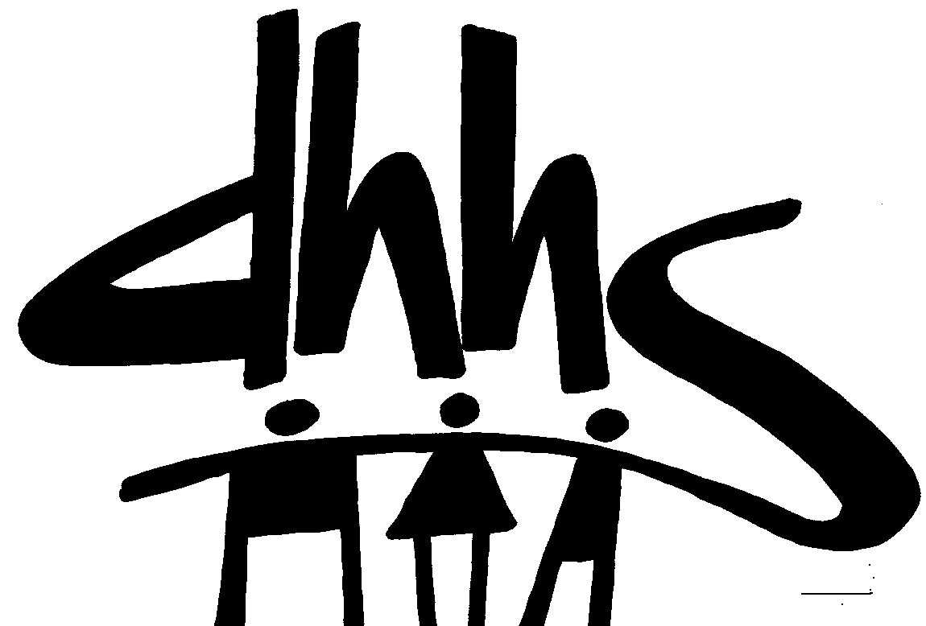
 |  |  |  | FUNDING AUTHORIZATION
 |  |  |  | DIVISION OF SOCIAL SERVICES
 |  |  |  | FUNDING SOURCE: Food & Nutrition Employment & Training
 |  |  |  | EFFECTIVE DATE: 10/1/2021
 |  |  |  | AUTHORIZATION NUMBER: 1

 |  |  |  | ALLOCATION PERIOD
 |  |  |  | FROM OCTOBER 2021 THRU MAY 2022 SERVICE MONTHS
 |  |  |  | FROM NOVEMBER 2021 THRU JUNE 2022 PAYMENT MONTHS

 |  | Initial (or Previous) Allocation Funding Authorization |  |  | Additional Allocation |  |  | Grand Total Allocation
Co. No. | COUNTY | Federal | County | Total | Federal | County | Total | Federal | County | Total
01 | ALAMANCE | 0.00 | 0.00 | 0.00 | 0.00 | 0.00 | 0.00 | 0.00 | 0.00 | 0.00
02 | ALEXANDER | 0.00 | 0.00 | 0.00 | 0.00 | 0.00 | 0.00 | 0.00 | 0.00 | 0.00
03 | ALLEGHANY | 0.00 | 0.00 | 0.00 | 0.00 | 0.00 | 0.00 | 0.00 | 0.00 | 0.00
04 | ANSON | 0.00 | 0.00 | 0.00 | 0.00 | 0.00 | 0.00 | 0.00 | 0.00 | 0.00
05 | ASHE | 0.00 | 0.00 | 0.00 | 0.00 | 0.00 | 0.00 | 0.00 | 0.00 | 0.00
06 | AVERY | 0.00 | 0.00 | 0.00 | 0.00 | 0.00 | 0.00 | 0.00 | 0.00 | 0.00
07 | BEAUFORT | 0.00 | 0.00 | 0.00 | 0.00 | 0.00 | 0.00 | 0.00 | 0.00 | 0.00
08 | BERTIE | 0.00 | 0.00 | 0.00 | 0.00 | 0.00 | 0.00 | 0.00 | 0.00 | 0.00
09 | BLADEN | 0.00 | 0.00 | 0.00 | 0.00 | 0.00 | 0.00 | 0.00 | 0.00 | 0.00
10 | BRUNSWICK | 0.00 | 0.00 | 0.00 | 0.00 | 0.00 | 0.00 | 0.00 | 0.00 | 0.00
11 | BUNCOMBE | 130,381.00 | 130,381.00 | 260,762.00 | 0.00 | 0.00 | 0.00 | 130,381.00 | 130,381.00 | 260,762.00
12 | BURKE | 0.00 | 0.00 | 0.00 | 0.00 | 0.00 | 0.00 | 0.00 | 0.00 | 0.00
13 | CABARRUS | 8,175.00 | 8,175.00 | 16,350.00 | 0.00 | 0.00 | 0.00 | 8,175.00 | 8,175.00 | 16,350.00
14 | CALDWELL | 0.00 | 0.00 | 0.00 | 0.00 | 0.00 | 0.00 | 0.00 | 0.00 | 0.00
15 | CAMDEN | 0.00 | 0.00 | 0.00 | 0.00 | 0.00 | 0.00 | 0.00 | 0.00 | 0.00
16 | CARTERET | 0.00 | 0.00 | 0.00 | 0.00 | 0.00 | 0.00 | 0.00 | 0.00 | 0.00
17 | CASWELL | 0.00 | 0.00 | 0.00 | 0.00 | 0.00 | 0.00 | 0.00 | 0.00 | 0.00
18 | CATAWBA | 0.00 | 0.00 | 0.00 | 0.00 | 0.00 | 0.00 | 0.00 | 0.00 | 0.00
19 | CHATHAM | 25,000.00 | 25,000.00 | 50,000.00 | 0.00 | 0.00 | 0.00 | 25,000.00 | 25,000.00 | 50,000.00
20 | CHEROKEE | 32,841.00 | 32,841.00 | 65,682.00 | 0.00 | 0.00 | 0.00 | 32,841.00 | 32,841.00 | 65,682.00
21 | CHOWAN | 0.00 | 0.00 | 0.00 | 0.00 | 0.00 | 0.00 | 0.00 | 0.00 | 0.00
22 | CLAY | 0.00 | 0.00 | 0.00 | 0.00 | 0.00 | 0.00 | 0.00 | 0.00 | 0.00
23 | CLEVELAND | 0.00 | 0.00 | 0.00 | 0.00 | 0.00 | 0.00 | 0.00 | 0.00 | 0.00
24 | COLUMBUS | 0.00 | 0.00 | 0.00 | 0.00 | 0.00 | 0.00 | 0.00 | 0.00 | 0.00
25 | CRAVEN | 0.00 | 0.00 | 0.00 | 0.00 | 0.00 | 0.00 | 0.00 | 0.00 | 0.00
26 | CUMBERLAND | 0.00 | 0.00 | 0.00 | 0.00 | 0.00 | 0.00 | 0.00 | 0.00 | 0.00
27 | CURRITUCK | 0.00 | 0.00 | 0.00 | 0.00 | 0.00 | 0.00 | 0.00 | 0.00 | 0.00
28 | DARE | 0.00 | 0.00 | 0.00 | 0.00 | 0.00 | 0.00 | 0.00 | 0.00 | 0.00
29 | DAVIDSON | 0.00 | 0.00 | 0.00 | 0.00 | 0.00 | 0.00 | 0.00 | 0.00 | 0.00
30 | DAVIE | 0.00 | 0.00 | 0.00 | 0.00 | 0.00 | 0.00 | 0.00 | 0.00 | 0.00
31 | DUPLIN | 0.00 | 0.00 | 0.00 | 0.00 | 0.00 | 0.00 | 0.00 | 0.00 | 0.00
32 | DURHAM | 60,089.00 | 60,089.00 | 120,178.00 | 0.00 | 0.00 | 0.00 | 60,089.00 | 60,089.00 | 120,178.00
33 | EDGECOMBE | 0.00 | 0.00 | 0.00 | 0.00 | 0.00 | 0.00 | 0.00 | 0.00 | 0.00
34 | FORSYTH | 64,400.00 | 64,400.00 | 128,800.00 | 0.00 | 0.00 | 0.00 | 64,400.00 | 64,400.00 | 128,800.00
35 | FRANKLIN | 0.00 | 0.00 | 0.00 | 0.00 | 0.00 | 0.00 | 0.00 | 0.00 | 0.00
36 | GASTON | 0.00 | 0.00 | 0.00 | 0.00 | 0.00 | 0.00 | 0.00 | 0.00 | 0.00
37 | GATES | 0.00 | 0.00 | 0.00 | 0.00 | 0.00 | 0.00 | 0.00 | 0.00 | 0.00
38 | GRAHAM | 0.00 | 0.00 | 0.00 | 0.00 | 0.00 | 0.00 | 0.00 | 0.00 | 0.00
39 | GRANVILLE | 0.00 | 0.00 | 0.00 | 0.00 | 0.00 | 0.00 | 0.00 | 0.00 | 0.00
40 | GREENE | 0.00 | 0.00 | 0.00 | 0.00 | 0.00 | 0.00 | 0.00 | 0.00 | 0.00
41 | GUILFORD | 36,951.00 | 36,951.00 | 73,902.00 | 0.00 | 0.00 | 0.00 | 36,951.00 | 36,951.00 | 73,902.00
42 | HALIFAX | 0.00 | 0.00 | 0.00 | 0.00 | 0.00 | 0.00 | 0.00 | 0.00 | 0.00
43 | HARNETT | 0.00 | 0.00 | 0.00 | 0.00 | 0.00 | 0.00 | 0.00 | 0.00 | 0.00
44 | HAYWOOD | 0.00 | 0.00 | 0.00 | 0.00 | 0.00 | 0.00 | 0.00 | 0.00 | 0.00
45 | HENDERSON | 0.00 | 0.00 | 0.00 | 0.00 | 0.00 | 0.00 | 0.00 | 0.00 | 0.00
46 | HERTFORD | 0.00 | 0.00 | 0.00 | 0.00 | 0.00 | 0.00 | 0.00 | 0.00 | 0.00
47 | HOKE | 0.00 | 0.00 | 0.00 | 0.00 | 0.00 | 0.00 | 0.00 | 0.00 | 0.00
FUNDING SOURCE: Food & Nutrition Employment & Training

 |  | Initial (or Previous) Allocation Funding Authorization |  |  | Additional Allocation |  |  | Grand Total Allocation
 | COUNTY | Federal | County | Total | Federal | County | Total | Federal | County | Total
48 | HYDE | 0.00 | 0.00 | 0.00 | 0.00 | 0.00 | 0.00 | 0.00 | 0.00 | 0.00
49 | IREDELL | 52,322.00 | 52,322.00 | 104,644.00 | 0.00 | 0.00 | 0.00 | 52,322.00 | 52,322.00 | 104,644.00
50 | JACKSON | 0.00 | 0.00 | 0.00 | 0.00 | 0.00 | 0.00 | 0.00 | 0.00 | 0.00
51 | JOHNSTON | 0.00 | 0.00 | 0.00 | 0.00 | 0.00 | 0.00 | 0.00 | 0.00 | 0.00
52 | JONES | 0.00 | 0.00 | 0.00 | 0.00 | 0.00 | 0.00 | 0.00 | 0.00 | 0.00
53 | LEE | 0.00 | 0.00 | 0.00 | 0.00 | 0.00 | 0.00 | 0.00 | 0.00 | 0.00
54 | LENOIR | 0.00 | 0.00 | 0.00 | 0.00 | 0.00 | 0.00 | 0.00 | 0.00 | 0.00
55 | LINCOLN | 3,400.00 | 3,400.00 | 6,800.00 | 0.00 | 0.00 | 0.00 | 3,400.00 | 3,400.00 | 6,800.00
56 | MACON | 0.00 | 0.00 | 0.00 | 0.00 | 0.00 | 0.00 | 0.00 | 0.00 | 0.00
57 | MADISON | 0.00 | 0.00 | 0.00 | 0.00 | 0.00 | 0.00 | 0.00 | 0.00 | 0.00
58 | MARTIN | 0.00 | 0.00 | 0.00 | 0.00 | 0.00 | 0.00 | 0.00 | 0.00 | 0.00
59 | MCDOWELL | 0.00 | 0.00 | 0.00 | 0.00 | 0.00 | 0.00 | 0.00 | 0.00 | 0.00
60 | MECKLENBURG | 496,974.00 | 496,974.00 | 993,948.00 | 0.00 | 0.00 | 0.00 | 496,974.00 | 496,974.00 | 993,948.00
61 | MITCHELL | 0.00 | 0.00 | 0.00 | 0.00 | 0.00 | 0.00 | 0.00 | 0.00 | 0.00
62 | MONTGOMERY | 0.00 | 0.00 | 0.00 | 0.00 | 0.00 | 0.00 | 0.00 | 0.00 | 0.00
63 | MOORE | 0.00 | 0.00 | 0.00 | 0.00 | 0.00 | 0.00 | 0.00 | 0.00 | 0.00
64 | NASH | 0.00 | 0.00 | 0.00 | 0.00 | 0.00 | 0.00 | 0.00 | 0.00 | 0.00
65 | NEW HANOVER | 0.00 | 0.00 | 0.00 | 0.00 | 0.00 | 0.00 | 0.00 | 0.00 | 0.00
66 | NORTHAMPTON | 0.00 | 0.00 | 0.00 | 0.00 | 0.00 | 0.00 | 0.00 | 0.00 | 0.00
67 | ONSLOW | 0.00 | 0.00 | 0.00 | 0.00 | 0.00 | 0.00 | 0.00 | 0.00 | 0.00
68 | ORANGE | 610,837.50 | 610,837.50 | 1,221,675.00 | 0.00 | 0.00 | 0.00 | 610,837.50 | 610,837.50 | 1,221,675.00
69 | PAMLICO | 0.00 | 0.00 | 0.00 | 0.00 | 0.00 | 0.00 | 0.00 | 0.00 | 0.00
70 | PASQUOTANK | 0.00 | 0.00 | 0.00 | 0.00 | 0.00 | 0.00 | 0.00 | 0.00 | 0.00
71 | PENDER | 0.00 | 0.00 | 0.00 | 0.00 | 0.00 | 0.00 | 0.00 | 0.00 | 0.00
72 | PERQUIMANS | 0.00 | 0.00 | 0.00 | 0.00 | 0.00 | 0.00 | 0.00 | 0.00 | 0.00
73 | PERSON | 0.00 | 0.00 | 0.00 | 0.00 | 0.00 | 0.00 | 0.00 | 0.00 | 0.00
74 | PITT | 289,912.00 | 289,912.00 | 579,824.00 | 0.00 | 0.00 | 0.00 | 289,912.00 | 289,912.00 | 579,824.00
75 | POLK | 0.00 | 0.00 | 0.00 | 0.00 | 0.00 | 0.00 | 0.00 | 0.00 | 0.00
76 | RANDOLPH | 0.00 | 0.00 | 0.00 | 0.00 | 0.00 | 0.00 | 0.00 | 0.00 | 0.00
77 | RICHMOND | 0.00 | 0.00 | 0.00 | 0.00 | 0.00 | 0.00 | 0.00 | 0.00 | 0.00
78 | ROBESON | 0.00 | 0.00 | 0.00 | 0.00 | 0.00 | 0.00 | 0.00 | 0.00 | 0.00
79 | ROCKINGHAM | 0.00 | 0.00 | 0.00 | 0.00 | 0.00 | 0.00 | 0.00 | 0.00 | 0.00
80 | ROWAN | 0.00 | 0.00 | 0.00 | 0.00 | 0.00 | 0.00 | 0.00 | 0.00 | 0.00
81 | RUTHERFORD | 0.00 | 0.00 | 0.00 | 0.00 | 0.00 | 0.00 | 0.00 | 0.00 | 0.00
82 | SAMPSON | 0.00 | 0.00 | 0.00 | 0.00 | 0.00 | 0.00 | 0.00 | 0.00 | 0.00
83 | SCOTLAND | 0.00 | 0.00 | 0.00 | 0.00 | 0.00 | 0.00 | 0.00 | 0.00 | 0.00
84 | STANLY | 0.00 | 0.00 | 0.00 | 0.00 | 0.00 | 0.00 | 0.00 | 0.00 | 0.00
85 | STOKES | 0.00 | 0.00 | 0.00 | 0.00 | 0.00 | 0.00 | 0.00 | 0.00 | 0.00
86 | SURRY | 0.00 | 0.00 | 0.00 | 0.00 | 0.00 | 0.00 | 0.00 | 0.00 | 0.00
87 | SWAIN | 0.00 | 0.00 | 0.00 | 0.00 | 0.00 | 0.00 | 0.00 | 0.00 | 0.00
88 | TRANSYLVANIA | 0.00 | 0.00 | 0.00 | 0.00 | 0.00 | 0.00 | 0.00 | 0.00 | 0.00
89 | TYRRELL | 0.00 | 0.00 | 0.00 | 0.00 | 0.00 | 0.00 | 0.00 | 0.00 | 0.00
90 | UNION | 0.00 | 0.00 | 0.00 | 0.00 | 0.00 | 0.00 | 0.00 | 0.00 | 0.00
91 | VANCE | 0.00 | 0.00 | 0.00 | 0.00 | 0.00 | 0.00 | 0.00 | 0.00 | 0.00
92 | WAKE | 105,300.00 | 105,300.00 | 210,600.00 | 0.00 | 0.00 | 0.00 | 105,300.00 | 105,300.00 | 210,600.00
93 | WARREN | 0.00 | 0.00 | 0.00 | 0.00 | 0.00 | 0.00 | 0.00 | 0.00 | 0.00
94 | WASHINGTON | 0.00 | 0.00 | 0.00 | 0.00 | 0.00 | 0.00 | 0.00 | 0.00 | 0.00
95 | WATAUGA | 0.00 | 0.00 | 0.00 | 0.00 | 0.00 | 0.00 | 0.00 | 0.00 | 0.00
96 | WAYNE | 0.00 | 0.00 | 0.00 | 0.00 | 0.00 | 0.00 | 0.00 | 0.00 | 0.00
97 | WILKES | 0.00 | 0.00 | 0.00 | 0.00 | 0.00 | 0.00 | 0.00 | 0.00 | 0.00
98 | WILSON | 122,366.00 | 122,366.00 | 244,732.00 | 0.00 | 0.00 | 0.00 | 122,366.00 | 122,366.00 | 244,732.00
99 | YADKIN | 0.00 | 0.00 | 0.00 | 0.00 | 0.00 | 0.00 | 0.00 | 0.00 | 0.00
100 | YANCEY | 0.00 | 0.00 | 0.00 | 0.00 | 0.00 | 0.00 | 0.00 | 0.00 | 0.00
150 | Jackson Indian | 0.00 | 0.00 | 0.00 | 0.00 | 0.00 | 0.00 | 0.00 | 0.00 | 0.00
187 | Swain Indian | 0.00 | 0.00 | 0.00 | 0.00 | 0.00 | 0.00 | 0.00 | 0.00 | 0.00
 | Total | 2,038,948.50 | 2,038,948.50 | 4,077,897.00 | 0.00 | 0.00 | 0.00 | 2,038,948.50 | 2,038,948.50 | 4,077,897.00

FUNDING SOURCE: Food & Nutrition Employment & Training

 | FUNDING SOURCE: Food & Nutrition Employment & Training
 | CFDA Number: 10.561
 | CFDA Name: State Administrative Matching Grants for the Supplemental Nutrition Assistance Program
 | Award Name: State Administrative Matching Grants for the Supplemental Nutrition Assistance Program
 | Award Number: 20225NCS2518
 | Award Date: FFY 2022
 | Federal Agency: USDA

 | RCC 7844 & 8844

 | GRANT INFORMATION:
 | This funding authorization represents 50% federal funds and the remaining balance of your FFY allocation.

 | XS411 Heading: Not available on XS411 Report
 | Tracked on XS411: Not available on XS411 Report

 | OBLIGATIONS INCURRED AND EXPENDITURES MADE UNDER THIS ADVICE WILL BE SUBJECT TO
 | LIMITATIONS PUBLISHED BY FEDERAL AND STATE AGENCIES AS TO THE AVAILABILITY OF FUNDS

 | AUTHORIZED SIGNATURE |  |  |  | DATE:

 |  |  |  |  | 2022-01-21

