Summary
FNS Cases & Participants - Statewide Totals By Month (Excludes Disaster Cases)
Report Month | Cases | Participants | Change in Cases | Change in Participants
Apr-26 | 631,826 | 1,258,916 | -5,936 | -12,607
Mar-26 | 637,762 | 1,271,523 | -4,676 | -9,074
Feb-26 | 642,438 | 1,280,597 | -3,860 | -8,016
Jan-26 | 646,298 | 1,288,613 | -4,374 | -10,037
Dec-25 | 650,672 | 1,298,650 | -4,593 | -16,010
Nov-25 | 655,265 | 1,314,660 | -15,856 | -35,036
Oct-25 | 671,121 | 1,349,696 | -3,974 | -9,088
Sep-25 | 675,095 | 1,358,784 | -290 | -1,491
Aug-25 | 675,385 | 1,360,275 | 1,376 | 3,163
Jul-25 | 674,009 | 1,357,112 | 926 | 2,497
Jun-25 | 673,083 | 1,354,615 | -14,521 | -24,772
May-25 | 687,604 | 1,379,387 | -26,275 | -40,355
Apr-25 | 713,879 | 1,419,742 | -21,587 | -46,450
Mar-25 | 735,466 | 1,466,192 | -3,745 | -12,630
Feb-25 | 739,211 | 1,478,822 | -1,799 | -9,189
Jan-25 | 741,010 | 1,488,011 | -8,642 | -23,552
Dec-24 | 749,652 | 1,511,563 | 13,430 | 24,658
Nov-24 | 736,222 | 1,486,905 | 19,195 | 38,543
Oct-24 | 717,027 | 1,448,362 | 21,184 | 39,292
Sep-24 | 695,843 | 1,409,070 | -801 | 44
Aug-24 | 696,644 | 1,409,026 | 2,370 | 7,795
Jul-24 | 694,274 | 1,401,231 | -2,380 | -3,278
Jun-24 | 696,654 | 1,404,509 | -1,762 | -226
May-24 | 698,416 | 1,404,735 | -379 | 2,954
Apr-24 | 698,795 | 1,401,781 | -542 | -1,362
Mar-24 | 699,337 | 1,403,143 | -2,025 | -4,481
Feb-24 | 701,362 | 1,407,624 | 113 | 4,266
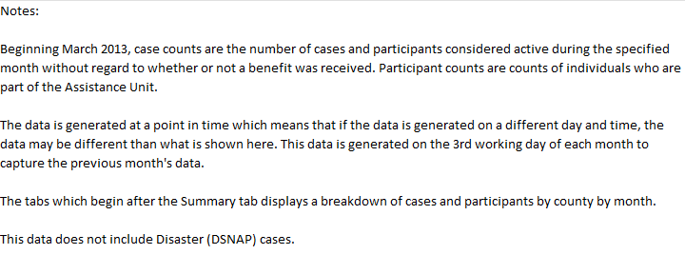
Jan-24 | 701,249 | 1,403,358 | -17,515 | -31,370
Dec-23 | 718,764 | 1,434,728 | -15,697 | -29,071
Nov-23 | 734,461 | 1,463,799 | -8,200 | -16,618
Oct-23 | 742,661 | 1,480,417 | -18,445 | -27,394
Sep-23 | 761,106 | 1,507,811 | -17,933 | -32,621
Aug-23 | 779,039 | 1,540,432 | -14,526 | -21,891
Jul-23 | 793,565 | 1,562,323 | -15,109 | -30,117
Jun-23 | 808,674 | 1,592,440 | -9,903 | -19,533
May-23 | 818,577 | 1,611,973 | -1,945 | -4,746
Apr-23 | 820,522 | 1,616,719 | -8,972 | -20,820
Mar-23 | 829,494 | 1,637,539 | -6,823 | -18,878
Feb-23 | 836,317 | 1,656,417 | 5,037 | 8,546
Jan-23 | 831,280 | 1,647,871 | 11,292 | 20,361
Dec-22 | 819,988 | 1,627,510 | 12,034 | 23,777
Nov-22 | 807,954 | 1,603,733 | 14,659 | 30,126
Oct-22 | 793,295 | 1,573,607 | 14,671 | 31,270
Sep-22 | 778,624 | 1,542,337 | 17,655 | 39,277
Aug-22 | 760,969 | 1,503,060 | 17,596 | 37,253
Jul-22 | 743,373 | 1,465,807 | -26,369 | -51,302
Jun-22 | 769,742 | 1,517,109 | -20,844 | -39,107
May-22 | 790,586 | 1,556,216 | -11,020 | -22,352
Apr-22 | 801,606 | 1,578,568 | -20,196 | -40,377
Mar-22 | 821,802 | 1,618,945 | -25,847 | -51,039
Feb-22 | 847,649 | 1,669,984 | -31,111 | -65,320
Jan-22 | 878,760 | 1,735,304 | 7,336 | 12,022
Dec-21 | 871,424 | 1,723,282 | 9,572 | 16,663
Nov-21 | 861,852 | 1,706,619 | 11,673 | 21,275
Oct-21 | 850,179 | 1,685,344 | 14,051 | 26,839
Sep-21 | 836,128 | 1,658,505 | 12,387 | 22,832
Aug-21 | 823,741 | 1,635,673 | 11,892 | 20,495
Jul-21 | 811,849 | 1,615,178 | 8,104 | 14,268
Jun-21 | 803,745 | 1,600,910 | 9,884 | 16,152
May-21 | 793,861 | 1,584,758 | 5,751 | 11,587
Apr-21 | 788,110 | 1,573,171 | 4,444 | 9,742
Mar-21 | 783,666 | 1,563,429 | 15,820 | 28,228
Feb-21 | 767,846 | 1,535,201 | 18,377 | 16,220
Jan-21 | 749,469 | 1,518,981 | 749,469 | 1,518,981

