Budget Narrative
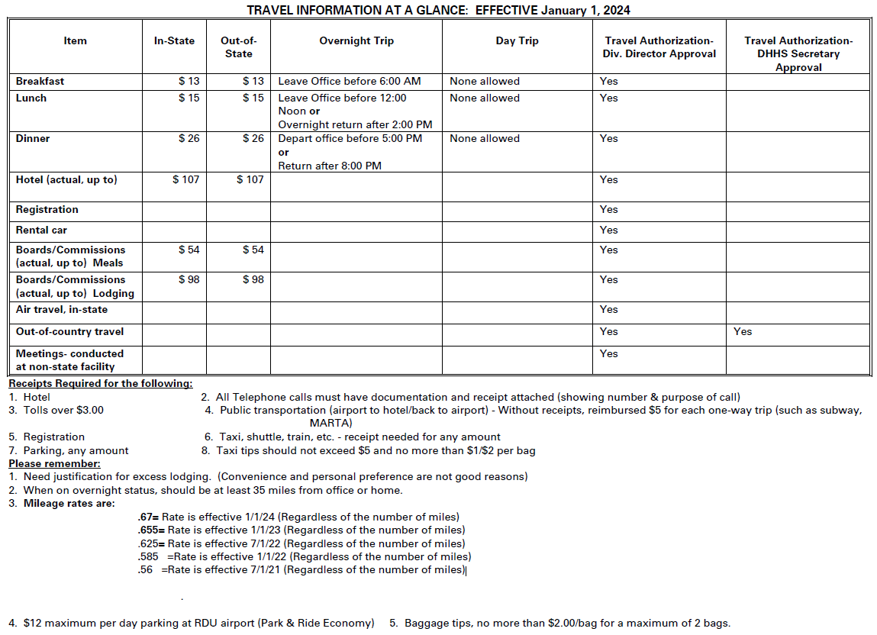
N.C. Office Of Rural Health
SFY 2025 Telehealth Infrastructure Grant 01/01/2025 - 12/31/2025
BUDGET NARRATIVE

ORGANIZATION NAME: | Enter Organization Name on Personnel Tab

Track B: Reimbursement for Eligible Expenses
General Instructions:
Budget narratives must show the calculations for all budget line items and must clearly justify/explain the need for these items. Calculations should be easy to follow/recreate. Each budgeted line item should explain:
What is it?
How many?
How much?
For what purpose?
For each type of project expense below, there are instructions in bold text and an example in italics.
Please be as specific as possible when providing justification for each line item.

PROJECT EXPENSES

EMPLOYEE SALARIES
For each position, include position title, position duties relative to project activities, percent of time worked, and list only grant-funded staff members working on project activities. Example: The Case Manager ensures patients attend follow-up visits and connects patients to community resources - Salary allocated to the grant $15,000

EMPLOYEE FRINGES
(i.e., Health insurance, FICA, dental insurance, etc.) Provide cost per category for each staff person. Fringe costs can include only employer paid benefits and cannot exceed 30% of allocated salary. Employers should not request a flat rate of the employer's actual cost. Reimbursement should not exceed actual fringe cost. Example: Our fringe benefits include retirement at 5% of salary, FICA at 7.65% of salary, health insurance at $200/month, and dental insurance at $50/month.

CONTRACTED STAFF
Document payments for staff who are not regular employees at your agency (i.e., temporary workers and consultants). This does not include staff that would be considered subcontractors. For each contracted staff, state their position title, compensation rate, hours per month allocated to the grant, and describe their role in the project. Example: Contracted staff include an MD at $100/hour who will work 10 hours/month seeing patients at our mobile clinic.

SUBCONTRACTORS
Vendor, business, agency, and other organizations entering into a Memorandum of Understanding to perform work duties on behalf of your organization. A summary of the proposed project activities and a detailed budget is required in the Subcontractor Tab. If you have more than (1) subcontract, contact your Grant Monitor, or the Program Manager, to request an additional Subcontractor Tab. Example: We have a contract with Behavioral Management Services for $5,000. The agency will provide TA to help integrate behavioral health into clinical care.

GENERAL SUPPLIES
Describe what medical and office supplies are included in the budget request. List any patient education materials and incentives (include unit cost) and describe how these materials will be used in the project. Identify postage and delivery costs and how they will be used to support grant activities. Example: Supplies budgeted include printer ink, printer paper, pens, and writing pads to support project activities. Medical supplies include nitrile gloves, face masks, dressings, syringes, blood glucose meters, needles, and cannulas. The medical supplies will be used in the mobile clinic to treat patients. Patient education materials include 200 tobacco cessation information flyers at $.10/page and 50 healthy eating tips postcards at $1/postcard. These materials will be used to encourage patients to take tobacco cessation classes and encourage healthy eating for our diabetic patients. $50 dollars is budgeted for postage and delivery to mail out educational materials.

OTHER EXPENSES
Travel: Include purpose of travel (e.g. travel to visit patients, travel to conferences), number of trips planned, and who will be making the trips. Note that reimbursement should not exceed current state rates as defined by the NC Office of State Budget and Management. Refer to the state travel requirements at the bottom of this page.** Example: We anticipate 20 trips for the outreach worker to check in on patients to see how they are doing. Our outreach worker and case manager will also be attending two in-state conferences during the project period. Staff will also travel to two in-state conferences that will each require two overnight stays.
Staff Development: Describe staff development activities, cost for each activity, and how it supports the project. Example: The outreach worker and case manager will attend two conferences - the first will focus on best practices for mobile clinics with a registration cost of $150 per person. The second will focus on integrating community health workers into care management with a registration cost of $75 per person. The lessons learned from the conference will enable to us to improve mobile clinic operations and integrate community health workers into our care teams.
Marketing-Community Awareness: Describe marketing and awareness materials including types of materials, estimated numbers needed, and unit cost per material. Describe how these materials will be used to support project activities. Example: Marketing and awareness materials include 200 mobile clinic informational flyers at $.10/flyer, two PSAs about the mobile clinic at $500/PSA, and 50 brochures about the health center services at $2/brochure. These materials will be used to advertise the mobile clinic and health center services and encourage residents to access these services.
Professional Services (Legal, IT, Contractor and Patient Internet Service, Accounting, Payroll, Security, Language Translation services (on-demand or monthly)): Identify and describe each professional service that will be used to support the project. Include the cost for each service. Example: We budgeted $1000 for a vendor to complete our annual audit as well as $500 for IT services to maintain our servers.

EQUIPMENT
Describe all equipment (rented, general, or medical) including cost and purpose of each of piece of equipment. Equipment is any individual item that is $500 or more. If purchasing a single item over $5,000.00, the organization must submit two vendor quotes with the application. Example: We will purchase two practice exam tables at an estimated costs of $800/table. The tables will replace the current exam tables in the mobile clinic and will be used to support patient care activities.

