FA #6
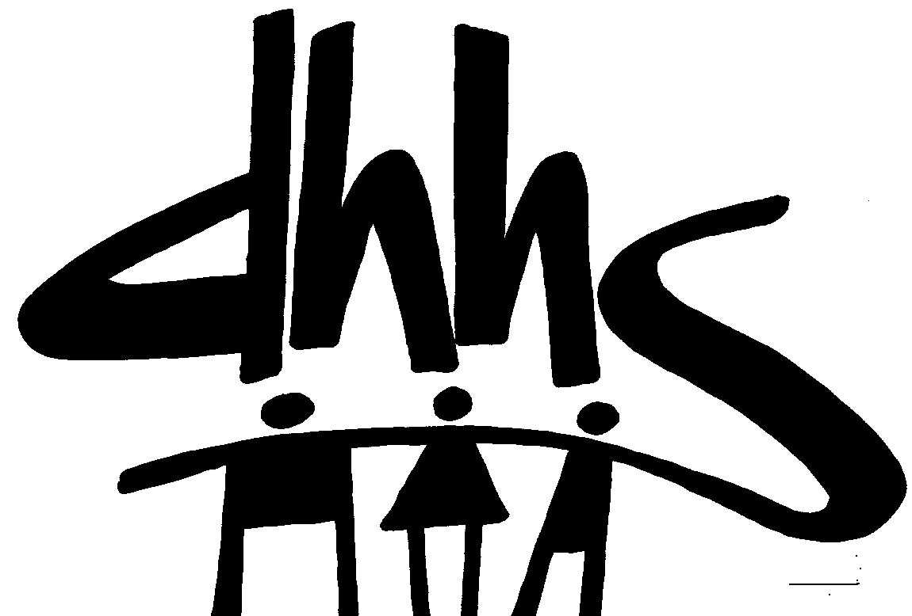
 |  |  | DIVISION OF SOCIAL SERVICES
 |  |  | Work First County Block Grant
 |  |  | Temporary Assistance for Needy Families
 |  |  | EFFECTIVE DATE: 07/01/2020
 |  |  | AUTHORIZATION NUMBER: 5
 |  |  | ALLOCATION PERIOD
 |  |  | FROM JUNE 2020 THRU MAY 2021 SERVICE MONTHS
 |  |  | FROM JULY 2020 THRU JUNE 2021 PAYMENT MONTHS

 |  | Previous Allocation for Work First County Block Grant |  | Change in Work First County Block Grant |  | Revised Allocation for Work First County Block Grant |  | Previous Allocation for Electing Cash |  | Change in Allocation for Electing Cash |  | Revised Allocation for Electing Cash |  | Grand Total Allocation
Co. No. | COUNTY | Federal | Total | Federal | Total | Federal | Total | Federal | Total | Federal | Total | Federal | Total | Federal | Total
01 | ALAMANCE | 833,472 | 833,472 | - | - | 833,472 | 833,472 | - | - | - | - | - | - | 833,472 | 833,472
02 | ALEXANDER | 210,683 | 210,683 | - | - | 210,683 | 210,683 | - | - | - | - | - | - | 210,683 | 210,683
03 | ALLEGHANY | 99,397 | 99,397 | - | - | 99,397 | 99,397 | - | - | - | - | - | - | 99,397 | 99,397
04 | ANSON | 418,769 | 418,769 | - | - | 418,769 | 418,769 | - | - | - | - | - | - | 418,769 | 418,769
05 | ASHE | 235,503 | 235,503 | - | - | 235,503 | 235,503 | - | - | - | - | - | - | 235,503 | 235,503
06 | AVERY | 202,443 | 202,443 | - | - | 202,443 | 202,443 | - | - | - | - | - | - | 202,443 | 202,443
07 | BEAUFORT | 1,079,653 | 1,079,653 | - | - | 1,079,653 | 1,079,653 | 331,533 | 331,533 | - | - | 331,533 | 331,533 | 1,411,186 | 1,411,186
08 | BERTIE | 192,031 | 192,031 | - | - | 192,031 | 192,031 | - | - | - | - | - | - | 192,031 | 192,031
09 | BLADEN | 343,239 | 343,239 | - | - | 343,239 | 343,239 | - | - | - | - | - | - | 343,239 | 343,239
10 | BRUNSWICK | 562,411 | 562,411 | - | - | 562,411 | 562,411 | - | - | - | - | - | - | 562,411 | 562,411
11 | BUNCOMBE | 2,404,228 | 2,404,228 | - | - | 2,404,228 | 2,404,228 | - | - | - | - | - | - | 2,404,228 | 2,404,228
12 | BURKE | 759,938 | 759,938 | - | - | 759,938 | 759,938 | - | - | - | - | - | - | 759,938 | 759,938
13 | CABARRUS | 1,499,394 | 1,499,394 | - | - | 1,499,394 | 1,499,394 | - | - | - | - | - | - | 1,499,394 | 1,499,394
14 | CALDWELL | 1,493,356 | 1,493,356 | - | - | 1,493,356 | 1,493,356 | 130,191 | 130,191 | - | - | 130,191 | 130,191 | 1,623,547 | 1,623,547
15 | CAMDEN | 86,480 | 86,480 | - | - | 86,480 | 86,480 | - | - | - | - | - | - | 86,480 | 86,480
16 | CARTERET | 741,533 | 741,533 | - | - | 741,533 | 741,533 | - | - | - | - | - | - | 741,533 | 741,533
17 | CASWELL | 346,129 | 346,129 | - | - | 346,129 | 346,129 | - | - | - | - | - | - | 346,129 | 346,129
18 | CATAWBA | 2,167,845 | 2,167,845 | 10,000 | 10,000 | 2,177,845 | 2,177,845 | 329,740 | 329,740 | (10,000) | (10,000) | 319,740 | 319,740 | 2,497,585 | 2,497,585
19 | CHATHAM | 249,419 | 249,419 | - | - | 249,419 | 249,419 | - | - | - | - | - | - | 249,419 | 249,419
20 | CHEROKEE | 282,895 | 282,895 | - | - | 282,895 | 282,895 | - | - | - | - | - | - | 282,895 | 282,895
21 | CHOWAN | 182,805 | 182,805 | - | - | 182,805 | 182,805 | - | - | - | - | - | - | 182,805 | 182,805
22 | CLAY | 80,568 | 80,568 | - | - | 80,568 | 80,568 | - | - | - | - | - | - | 80,568 | 80,568
23 | CLEVELAND | 1,603,795 | 1,603,795 | - | - | 1,603,795 | 1,603,795 | - | - | - | - | - | - | 1,603,795 | 1,603,795
24 | COLUMBUS | 641,381 | 641,381 | - | - | 641,381 | 641,381 | - | - | - | - | - | - | 641,381 | 641,381
25 | CRAVEN | 1,556,695 | 1,556,695 | - | - | 1,556,695 | 1,556,695 | - | - | - | - | - | - | 1,556,695 | 1,556,695
26 | CUMBERLAND | 4,834,854 | 4,834,854 | - | - | 4,834,854 | 4,834,854 | - | - | - | - | - | - | 4,834,854 | 4,834,854
27 | CURRITUCK | 262,892 | 262,892 | - | - | 262,892 | 262,892 | - | - | - | - | - | - | 262,892 | 262,892
28 | DARE | 331,579 | 331,579 | - | - | 331,579 | 331,579 | - | - | - | - | - | - | 331,579 | 331,579
29 | DAVIDSON | 960,098 | 960,098 | - | - | 960,098 | 960,098 | - | - | - | - | - | - | 960,098 | 960,098
30 | DAVIE | 231,483 | 231,483 | - | - | 231,483 | 231,483 | - | - | - | - | - | - | 231,483 | 231,483
31 | DUPLIN | 824,137 | 824,137 | - | - | 824,137 | 824,137 | - | - | - | - | - | - | 824,137 | 824,137
32 | DURHAM | 2,420,183 | 2,420,183 | - | - | 2,420,183 | 2,420,183 | - | - | - | - | - | - | 2,420,183 | 2,420,183
33 | EDGECOMBE | 1,145,392 | 1,145,392 | - | - | 1,145,392 | 1,145,392 | - | - | - | - | - | - | 1,145,392 | 1,145,392
34 | FORSYTH | 1,528,307 | 1,528,307 | - | - | 1,528,307 | 1,528,307 | - | - | - | - | - | - | 1,528,307 | 1,528,307
35 | FRANKLIN | 553,990 | 553,990 | - | - | 553,990 | 553,990 | - | - | - | - | - | - | 553,990 | 553,990
36 | GASTON | 2,437,528 | 2,437,528 | - | - | 2,437,528 | 2,437,528 | - | - | - | - | - | - | 2,437,528 | 2,437,528
37 | GATES | 98,101 | 98,101 | - | - | 98,101 | 98,101 | - | - | - | - | - | - | 98,101 | 98,101
38 | GRAHAM | 127,208 | 127,208 | - | - | 127,208 | 127,208 | - | - | - | - | - | - | 127,208 | 127,208
39 | GRANVILLE | 378,223 | 378,223 | - | - | 378,223 | 378,223 | - | - | - | - | - | - | 378,223 | 378,223
40 | GREENE | 268,152 | 268,152 | - | - | 268,152 | 268,152 | - | - | - | - | - | - | 268,152 | 268,152
41 | GUILFORD | 3,630,858 | 3,630,858 | - | - | 3,630,858 | 3,630,858 | - | - | - | - | - | - | 3,630,858 | 3,630,858
42 | HALIFAX | 404,582 | 404,582 | - | - | 404,582 | 404,582 | - | - | - | - | - | - | 404,582 | 404,582
43 | HARNETT | 897,705 | 897,705 | - | - | 897,705 | 897,705 | - | - | - | - | - | - | 897,705 | 897,705
44 | HAYWOOD | 877,118 | 877,118 | - | - | 877,118 | 877,118 | - | - | - | - | - | - | 877,118 | 877,118
45 | HENDERSON | 1,009,555 | 1,009,555 | - | - | 1,009,555 | 1,009,555 | - | - | - | - | - | - | 1,009,555 | 1,009,555
46 | HERTFORD | 268,564 | 268,564 | - | - | 268,564 | 268,564 | - | - | - | - | - | - | 268,564 | 268,564
47 | HOKE | 60,315 | 60,315 | - | - | 60,315 | 60,315 | - | - | - | - | - | - | 60,315 | 60,315
Work First County Block Grant
AUTHORIZATION NUMBER: 5
 |  | Previous Allocation for Work First County Block Grant |  | Change in Work First County Block Grant |  | Revised Allocation for Work First County Block Grant |  | Previous Allocation for Electing Cash |  | Change in Allocation for Electing Cash |  | Revised Allocation for Electing Cash |  | Grand Total Allocation
 | COUNTY | Federal | Total | Federal | Total | Federal | Total | Federal | Total | Federal | Total | Federal | Total | Federal | Total
48 | HYDE | 44,979 | 44,979 | - | - | 44,979 | 44,979 | - | - | - | - | - | - | 44,979 | 44,979
49 | IREDELL | 832,612 | 832,612 | - | - | 832,612 | 832,612 | - | - | - | - | - | - | 832,612 | 832,612
50 | JACKSON | 340,200 | 340,200 | - | - | 340,200 | 340,200 | - | - | - | - | - | - | 340,200 | 340,200
51 | JOHNSTON | 1,191,777 | 1,191,777 | - | - | 1,191,777 | 1,191,777 | - | - | - | - | - | - | 1,191,777 | 1,191,777
52 | JONES | 172,158 | 172,158 | - | - | 172,158 | 172,158 | - | - | - | - | - | - | 172,158 | 172,158
53 | LEE | 412,190 | 412,190 | - | - | 412,190 | 412,190 | - | - | - | - | - | - | 412,190 | 412,190
54 | LENOIR | 553,755 | 553,755 | - | - | 553,755 | 553,755 | 1,339,325 | 1,339,325 | - | - | 1,339,325 | 1,339,325 | 1,893,080 | 1,893,080
55 | LINCOLN | 814,399 | 814,399 | - | - | 814,399 | 814,399 | 277,283 | 277,283 | - | - | 277,283 | 277,283 | 1,091,682 | 1,091,682
56 | MACON | 442,684 | 442,684 | - | - | 442,684 | 442,684 | 28,176 | 28,176 | - | - | 28,176 | 28,176 | 470,860 | 470,860
57 | MADISON | 233,379 | 233,379 | - | - | 233,379 | 233,379 | - | - | - | - | - | - | 233,379 | 233,379
58 | MARTIN | 360,238 | 360,238 | - | - | 360,238 | 360,238 | - | - | - | - | - | - | 360,238 | 360,238
59 | MCDOWELL | 554,009 | 554,009 | - | - | 554,009 | 554,009 | - | - | - | - | - | - | 554,009 | 554,009
60 | MECKLENBURG | 8,278,019 | 8,278,019 | - | - | 8,278,019 | 8,278,019 | - | - | - | - | - | - | 8,278,019 | 8,278,019
61 | MITCHELL | 122,767 | 122,767 | - | - | 122,767 | 122,767 | - | - | - | - | - | - | 122,767 | 122,767
62 | MONTGOMERY | 197,537 | 197,537 | - | - | 197,537 | 197,537 | - | - | - | - | - | - | 197,537 | 197,537
63 | MOORE | 535,526 | 535,526 | - | - | 535,526 | 535,526 | - | - | - | - | - | - | 535,526 | 535,526
64 | NASH | 908,347 | 908,347 | - | - | 908,347 | 908,347 | - | - | - | - | - | - | 908,347 | 908,347
65 | NEW HANOVER | 1,699,044 | 1,699,044 | - | - | 1,699,044 | 1,699,044 | - | - | - | - | - | - | 1,699,044 | 1,699,044
66 | NORTHAMPTON | 447,625 | 447,625 | - | - | 447,625 | 447,625 | - | - | - | - | - | - | 447,625 | 447,625
67 | ONSLOW | 1,365,525 | 1,365,525 | - | - | 1,365,525 | 1,365,525 | - | - | - | - | - | - | 1,365,525 | 1,365,525
68 | ORANGE | 970,517 | 970,517 | - | - | 970,517 | 970,517 | - | - | - | - | - | - | 970,517 | 970,517
69 | PAMLICO | 129,510 | 129,510 | - | - | 129,510 | 129,510 | - | - | - | - | - | - | 129,510 | 129,510
70 | PASQUOTANK | 453,570 | 453,570 | - | - | 453,570 | 453,570 | - | - | - | - | - | - | 453,570 | 453,570
71 | PENDER | 376,913 | 376,913 | - | - | 376,913 | 376,913 | - | - | - | - | - | - | 376,913 | 376,913
72 | PERQUIMANS | 77,290 | 77,290 | - | - | 77,290 | 77,290 | - | - | - | - | - | - | 77,290 | 77,290
73 | PERSON | 276,632 | 276,632 | - | - | 276,632 | 276,632 | - | - | - | - | - | - | 276,632 | 276,632
74 | PITT | 1,205,205 | 1,205,205 | - | - | 1,205,205 | 1,205,205 | - | - | - | - | - | - | 1,205,205 | 1,205,205
75 | POLK | 114,654 | 114,654 | - | - | 114,654 | 114,654 | - | - | - | - | - | - | 114,654 | 114,654
76 | RANDOLPH | 915,975 | 915,975 | - | - | 915,975 | 915,975 | - | - | - | - | - | - | 915,975 | 915,975
77 | RICHMOND | 719,879 | 719,879 | - | - | 719,879 | 719,879 | - | - | - | - | - | - | 719,879 | 719,879
78 | ROBESON | 1,876,001 | 1,876,001 | - | - | 1,876,001 | 1,876,001 | - | - | - | - | - | - | 1,876,001 | 1,876,001
79 | ROCKINGHAM | 1,131,999 | 1,131,999 | - | - | 1,131,999 | 1,131,999 | - | - | - | - | - | - | 1,131,999 | 1,131,999
80 | ROWAN | 629,234 | 629,234 | - | - | 629,234 | 629,234 | - | - | - | - | - | - | 629,234 | 629,234
81 | RUTHERFORD | 571,776 | 571,776 | - | - | 571,776 | 571,776 | - | - | - | - | - | - | 571,776 | 571,776
82 | SAMPSON | 508,020 | 508,020 | - | - | 508,020 | 508,020 | - | - | - | - | - | - | 508,020 | 508,020
83 | SCOTLAND | 593,563 | 593,563 | - | - | 593,563 | 593,563 | - | - | - | - | - | - | 593,563 | 593,563
84 | STANLY | 442,422 | 442,422 | - | - | 442,422 | 442,422 | - | - | - | - | - | - | 442,422 | 442,422
85 | STOKES | 437,853 | 437,853 | - | - | 437,853 | 437,853 | - | - | - | - | - | - | 437,853 | 437,853
86 | SURRY | 538,702 | 538,702 | - | - | 538,702 | 538,702 | - | - | - | - | - | - | 538,702 | 538,702
87 | SWAIN | 174,653 | 174,653 | - | - | 174,653 | 174,653 | - | - | - | - | - | - | 174,653 | 174,653
88 | TRANSYLVANIA | 377,789 | 377,789 | - | - | 377,789 | 377,789 | - | - | - | - | - | - | 377,789 | 377,789
89 | TYRRELL | 67,960 | 67,960 | - | - | 67,960 | 67,960 | - | - | - | - | - | - | 67,960 | 67,960
90 | UNION | 1,397,206 | 1,397,206 | - | - | 1,397,206 | 1,397,206 | - | - | - | - | - | - | 1,397,206 | 1,397,206
91 | VANCE | 555,809 | 555,809 | - | - | 555,809 | 555,809 | - | - | - | - | - | - | 555,809 | 555,809
92 | WAKE | 5,090,350 | 5,090,350 | - | - | 5,090,350 | 5,090,350 | - | - | - | - | - | - | 5,090,350 | 5,090,350
93 | WARREN | 353,340 | 353,340 | - | - | 353,340 | 353,340 | - | - | - | - | - | - | 353,340 | 353,340
94 | WASHINGTON | 361,689 | 361,689 | - | - | 361,689 | 361,689 | - | - | - | - | - | - | 361,689 | 361,689
95 | WATAUGA | 185,213 | 185,213 | - | - | 185,213 | 185,213 | - | - | - | - | - | - | 185,213 | 185,213
96 | WAYNE | 790,073 | 790,073 | - | - | 790,073 | 790,073 | - | - | - | - | - | - | 790,073 | 790,073
97 | WILKES | 288,639 | 288,639 | - | - | 288,639 | 288,639 | - | - | - | - | - | - | 288,639 | 288,639
98 | WILSON | 2,280,468 | 2,280,468 | - | - | 2,280,468 | 2,280,468 | 296,341 | 296,341 | - | - | 296,341 | 296,341 | 2,576,809 | 2,576,809
99 | YADKIN | 290,932 | 290,932 | - | - | 290,932 | 290,932 | - | - | - | - | - | - | 290,932 | 290,932
100 | YANCEY | 154,856 | 154,856 | - | - | 154,856 | 154,856 | - | - | - | - | - | - | 154,856 | 154,856
 | Total | 85,670,348 | 85,670,348 | 10,000 | 10,000 | 85,680,348 | 85,680,348 | 2,732,589 | 2,732,589 | (10,000) | (10,000) | 2,722,589 | 2,722,589 | 88,402,937 | 88,402,937
Work First County Block Grant
AUTHORIZATION NUMBER: 5

 | FUNDING SOURCE: TANF Block Grant
 | CFDA Number: 93.558
 | CFDA Name: Temporary Assistance for Needy Families
 | Award Name: Temporary Assistance for Needy Families
 | Award Number: G2001NCTANF + G2101NCTANF
 | Award Date: FFY 2020 & 2021
 | Federal Agency: DHHS/ACF

 | GRANT INFORMATION:
 | This funding authorization represents 100% Federal funds for standard and electing counties.
 | Funding will be allocated on an equal quarterly basis for Work First County Block Funds.
 | This allocation represents the entire amount allocated.

 | XS411 Heading:
 | Tracked on XS411: | WF Federal
 |  | Federal - 100%

 | Electing Cash transfer will not be added to XS411 allocation unless requested by the county and approved by LBL.

 | OBLIGATIONS INCURRED AND EXPENDITURES MADE UNDER THIS ADVICE WILL BE SUBJECT TO
 | LIMITATIONS PUBLISHED BY FEDERAL AND STATE AGENCIES AS TO THE AVAILABILITY OF FUNDS

 | AUTHORIZED SIGNATURE |  |  |  |  | DATE:

 |  |  |  |  |  | 2021-06-03

 | Accepted by:
 |  | County Director Signature |  |  |  |  | Date

 | County Name :
 |  |  |  |  |  |  | Grand Total Allocation

 | Please provide your Local Business Laison with a signed copy of this Funding Authorization.

