Summary
Work First Cases & Participants - Statewide Totals By Month
Report Month | Cases | Participants | Change in Cases | Change in Participants
Jul-26 | 5,152 | 8,911 | -70 | -124
Jun-26 | 5,222 | 9,035 | 27 | 134
May-26 | 5,195 | 8,901 | -50 | -68
Apr-26 | 5,245 | 8,969 | -94 | -198
Mar-26 | 5,339 | 9,167 | 35 | 45
Feb-26 | 5,304 | 9,122 | -132 | -216
Jan-26 | 5,436 | 9,338 | -166 | -333
Dec-25 | 5,602 | 9,671 | -95 | -169
Nov-25 | 5,697 | 9,840 | -184 | -396
Oct-25 | 5,881 | 10,236 | -119 | -189
Sep-25 | 6,000 | 10,425 | 31 | 82
Aug-25 | 5,969 | 10,343 | -38 | -13
Jul-25 | 6,007 | 10,356 | 11 | 135
Jun-25 | 5,996 | 10,221 | -64 | -137
May-25 | 6,060 | 10,358 | -16 | -71
Apr-25 | 6,076 | 10,429 | -231 | -518
Mar-25 | 6,307 | 10,947 | -103 | -253
Feb-25 | 6,410 | 11,200 | -138 | -281
Jan-25 | 6,548 | 11,481 | -207 | -420
Dec-24 | 6,755 | 11,901 | -60 | -190
Nov-24 | 6,815 | 12,091 | -136 | -301
Oct-24 | 6,951 | 12,392 | 81 | 247
Sep-24 | 6,870 | 12,145 | -50 | -75
Aug-24 | 6,920 | 12,220 | -9 | -8
Jul-24 | 6,929 | 12,228 | -163 | -360
Jun-24 | 7,092 | 12,588 | -66 | -181
May-24 | 7,158 | 12,769 | 48 | 131
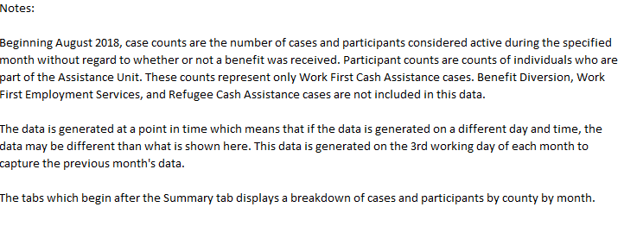
Apr-24 | 7,110 | 12,638 | -167 | -451
Mar-24 | 7,277 | 13,089 | -91 | -485
Feb-24 | 7,368 | 13,574 | -97 | -503
Jan-24 | 7,465 | 14,077 | -133 | -336
Dec-23 | 7,598 | 14,413 | -135 | -357
Nov-23 | 7,733 | 14,770 | -176 | -359
Oct-23 | 7,909 | 15,129 | -84 | -132
Sep-23 | 7,993 | 15,261 | -55 | -170
Aug-23 | 8,048 | 15,431 | -153 | -373
Jul-23 | 8,201 | 15,804 | -425 | -1,122
Jun-23 | 8,626 | 16,926 | -483 | -1,111
May-23 | 9,109 | 18,037 | -49 | 5
Apr-23 | 9,158 | 18,032 | -172 | -234
Mar-23 | 9,330 | 18,266 | -18 | -101
Feb-23 | 9,348 | 18,367 | 41 | 109
Jan-23 | 9,307 | 18,258 | -50 | -25
Dec-22 | 9,357 | 18,283 | -66 | -129
Nov-22 | 9,423 | 18,412 | -124 | -261
Oct-22 | 9,547 | 18,673 | 19 | 87
Sep-22 | 9,528 | 18,586 | 23 | 207
Aug-22 | 9,505 | 18,379 | 156 | 406
Jul-22 | 9,349 | 17,973 | -212 | -361
Jun-22 | 9,561 | 18,334 | 68 | 195
May-22 | 9,493 | 18,139 | 59 | 241
Apr-22 | 9,434 | 17,898 | -191 | -395
Mar-22 | 9,625 | 18,293 | -88 | -244
Feb-22 | 9,713 | 18,537 | -20 | 53
Jan-22 | 9,733 | 18,484 | -152 | -292
Dec-21 | 9,885 | 18,776 | -171 | -416
Nov-21 | 10,056 | 19,192 | 22 | 187
Oct-21 | 10,034 | 19,005 | -68 | -80
Sep-21 | 10,102 | 19,085 | 12 | 111
Aug-21 | 10,090 | 18,974 | -31 | -14
Jul-21 | 10,121 | 18,988 | -177 | -223
Jun-21 | 10,298 | 19,211 | -113 | -202
May-21 | 10,411 | 19,413 | -190 | -432
Apr-21 | 10,601 | 19,845 | -287 | -676
Mar-21 | 10,888 | 20,521 | -119 | -356
Feb-21 | 11,007 | 20,877 | -245 | -589
Jan-21 | 11,252 | 21,466 | -98 | -175

